Provincial ranking
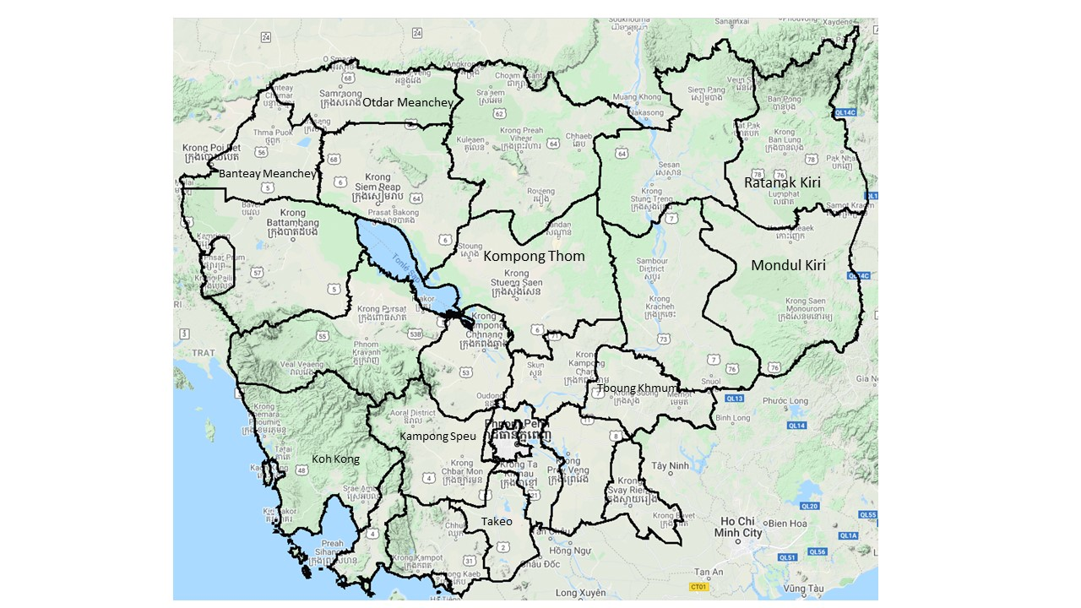
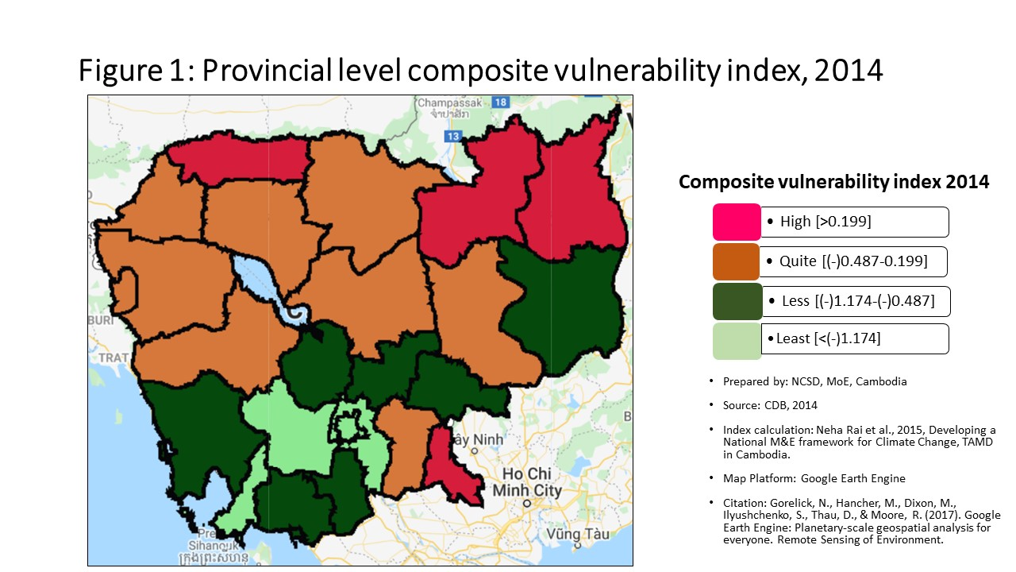
Vulnerability Index by province, 2014
Prepared by: | NCSD, MoE, Cambodia
Source: | CDB 2014
PROV_CODE | PROV_NAME | Storm VI | Rank | Flood VI | Rank | Drought VI | Rank | Composite VI | Rank
1 | Banteay Meanchey | -0.154 | 2 | -0.030 | 7 | -0.968 | 11 | -0.034 | 6
2 | Battambang | -0.172 | 5 | 0.063 | 5 | -1.238 | 18 | 0.044 | 5
3 | Kampong Cham | -0.165 | 4 | -0.619 | 17 | -1.060 | 13 | -0.634 | 17
4 | Kampong Chhnang | -0.153 | 1 | -0.609 | 16 | -0.849 | 6 | -0.581 | 16
5 | Kampong Speu | -0.215 | 15 | -1.448 | 24 | -1.792 | 21 | -1.435 | 24
6 | Kampong Thom | -0.195 | 10 | -0.350 | 12 | -0.654 | 2 | -0.428 | 12
7 | Kampot | -0.185 | 7 | -0.675 | 18 | -1.113 | 16 | -0.691 | 18
8 | Kandal | -0.197 | 11 | -1.205 | 23 | -1.817 | 22 | -1.198 | 22
9 | Koh Kong | -0.222 | 18 | -0.825 | 20 | -1.144 | 17 | -0.830 | 20
10 | Kracheh | -0.191 | 9 | -0.288 | 11 | -0.866 | 7 | -0.395 | 11
11 | Mondul Kiri | -0.250 | 22 | -0.379 | 13 | -0.826 | 5 | -0.530 | 14
12 | Phnom Penh | -0.479 | 25 | -2.481 | 25 | -2.753 | 25 | -2.462 | 25
13 | Preah Vihear | -0.175 | 6 | 0.046 | 6 | -0.644 | 1 | -0.151 | 8
14 | Prey Veng | -0.210 | 14 | -0.388 | 14 | -1.103 | 15 | -0.442 | 13
15 | Pursat | -0.191 | 8 | -0.204 | 9 | -1.086 | 14 | -0.368 | 10
16 | Ratanak Kiri | -0.219 | 17 | 1.273 | 1 | -0.898 | 8 | 0.630 | 2
17 | Siem Reap | -0.204 | 13 | -0.239 | 10 | -0.932 | 10 | -0.347 | 9
18 | Preah Sihanouk | -0.241 | 20 | -1.060 | 21 | -2.041 | 23 | -1.261 | 23
19 | Stung Treng | -0.226 | 19 | 0.585 | 3 | -0.804 | 4 | 0.270 | 3
20 | Svay Rieng | -0.321 | 24 | 0.274 | 4 | -0.968 | 12 | 0.264 | 4
21 | Takeo | -0.159 | 3 | -0.725 | 19 | -0.919 | 9 | -0.739 | 19
22 | Otdar Meanchey | -0.217 | 16 | 1.260 | 2 | -0.724 | 3 | 0.819 | 1
23 | Kep | -0.202 | 12 | -1.102 | 22 | -1.366 | 20 | -1.022 | 21
24 | Pailin | -0.268 | 23 | -0.099 | 8 | -2.139 | 24 | -0.121 | 7
25 | Tboung Khmum | -0.242 | 21 | -0.466 | 15 | -1.305 | 19 | -0.545 | 15
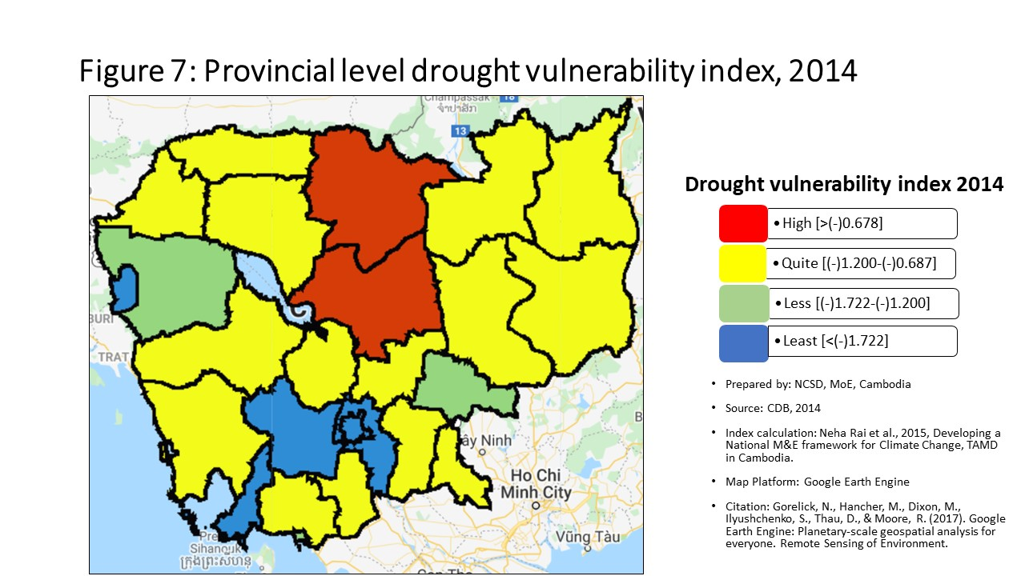
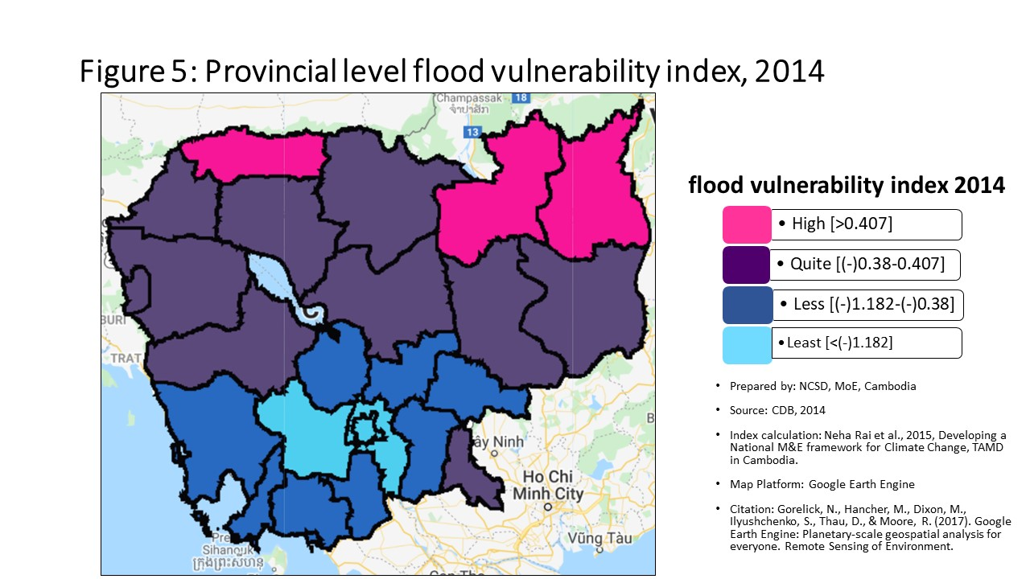
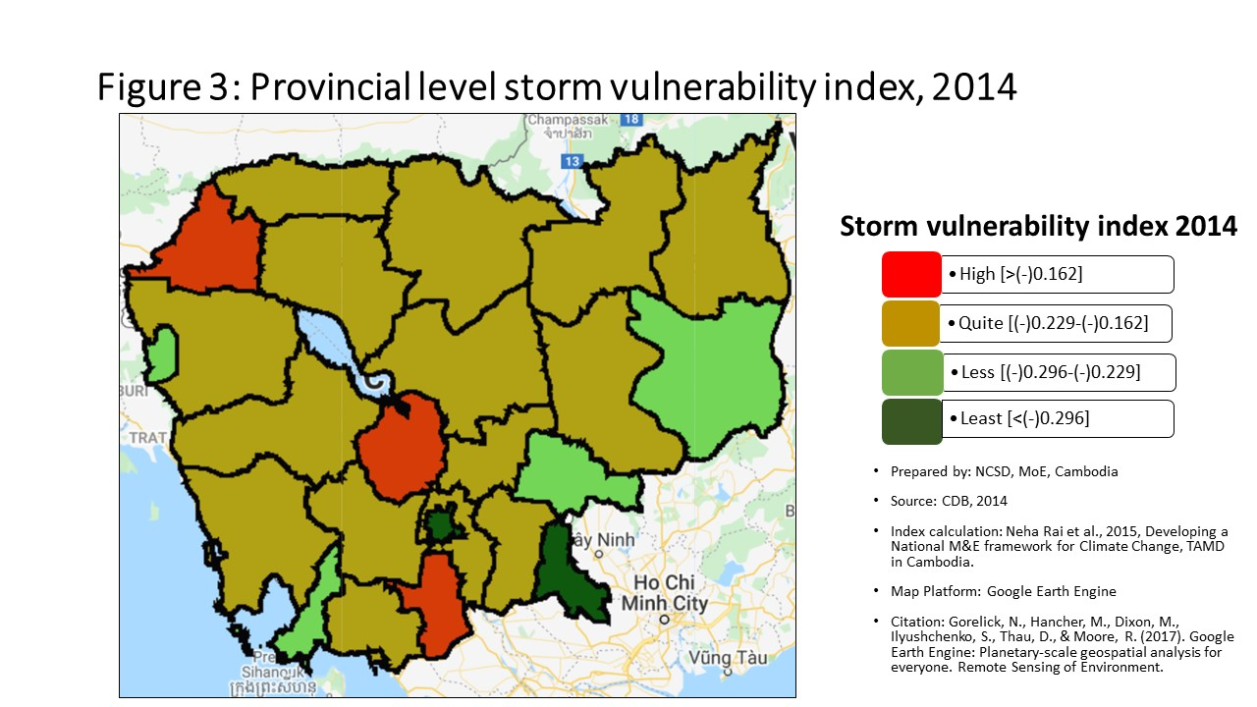

Percentage
Communes that are 'highly vulnerable' to climate hazards in each provinces, by hazard type
 | Highly vunlerble |  |  |  | Quite Vulnerable
 | Storm | Flood | Drought |  | Storm | Flood | Drought
Banteay Meanchey | 63.08% | 26.15% | 53.85% | Banteay Meanchey | 32.31% | 49.23% | 18.46%
Battambang | 50.00% | 27.45% | 33.33% | Battambang | 33.33% | 34.31% | 24.51%
Kampong Cham | 54.13% | 9.17% | 30.28% | Kampong Cham | 32.11% | 26.61% | 38.53%
Kampong Chhnang | 44.93% | 5.80% | 47.83% | Kampong Chhnang | 30.43% | 28.99% | 27.54%
Kampong Speu | 19.54% | 3.45% | 10.34% | Kampong Speu | 37.93% | 8.05% | 25.29%
Kampong Thom | 37.04% | 18.52% | 54.32% | Kampong Thom | 37.04% | 46.91% | 22.22%
Kampot | 44.09% | 9.68% | 38.71% | Kampot | 38.71% | 23.66% | 34.41%
Kandal | 35.43% | 7.09% | 7.09% | Kandal | 28.35% | 14.17% | 24.41%
Koh Kong | 6.90% | 3.45% | 48.28% | Koh Kong | 44.83% | 44.83% | 20.69%
Kracheh | 34.78% | 13.04% | 45.65% | Kracheh | 41.30% | 30.43% | 32.61%
Mondul Kiri | 14.29% | 14.29% | 52.38% | Mondul Kiri | 14.29% | 19.05% | 28.57%
Phnom Penh | 1.04% | 2.08% | 1.04% | Phnom Penh | 3.13% | 0.00% | 3.13%
Preah Vihear | 49.02% | 17.65% | 66.67% | Preah Vihear | 27.45% | 47.06% | 15.69%
Prey Veng | 22.41% | 13.79% | 27.59% | Prey Veng | 37.07% | 22.41% | 42.24%
Pursat | 36.73% | 16.33% | 44.90% | Pursat | 42.86% | 36.73% | 22.45%
Ratanak Kiri | 8.00% | 24.00% | 62.00% | Ratanak Kiri | 62.00% | 44.00% | 16.00%
Siem Reap | 31.00% | 17.00% | 57.00% | Siem Reap | 38.00% | 42.00% | 15.00%
Preah Sihanouk | 25.93% | 14.81% | 3.70% | Preah Sihanouk | 29.63% | 3.70% | 18.52%
Communes that are 'quite vulnerable' to climate hazards in each provinces, by hazard type
Stung Treng | 11.76% | 20.59% | 55.88% | Stung Treng | 44.12% | 41.18% | 23.53%
Svay Rieng | 0.00% | 27.50% | 35.00% | Svay Rieng | 3.75% | 21.25% | 37.50%
Takeo | 41.00% | 9.00% | 30.00% | Takeo | 45.00% | 19.00% | 30.00%
Otdar Meanchey | 33.33% | 50.00% | 62.50% | Otdar Meanchey | 16.67% | 33.33% | 25.00%
Kep | 40.00% | 0.00% | 20.00% | Kep | 20.00% | 0.00% | 20.00%
Pailin | 12.50% | 50.00% | 12.50% | Pailin | 25.00% | 0.00% | 25.00%
Tboung Khmum | 7.81% | 15.63% | 20.31% | Tboung Khmum | 32.81% | 23.44% | 37.50%

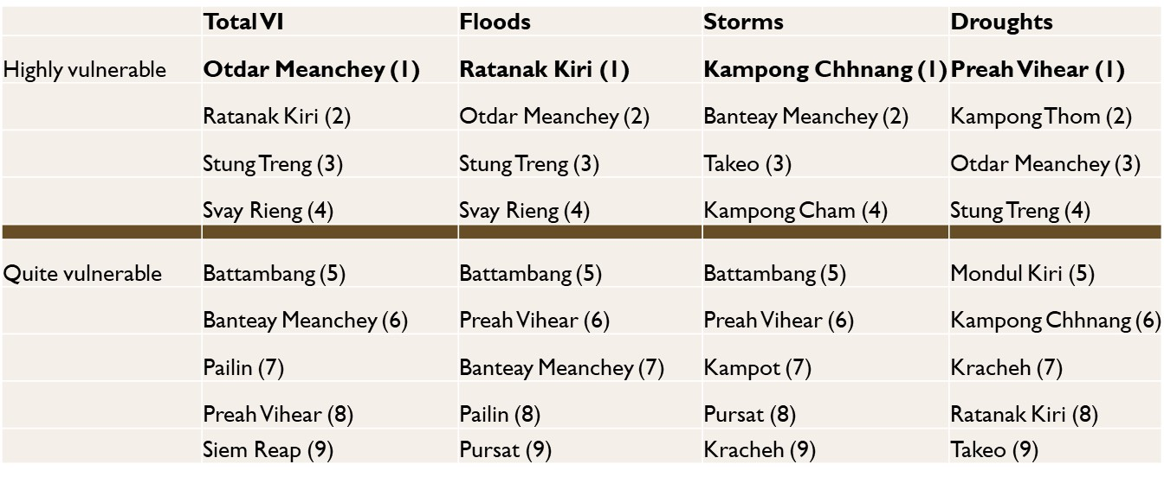

Commune Ranking
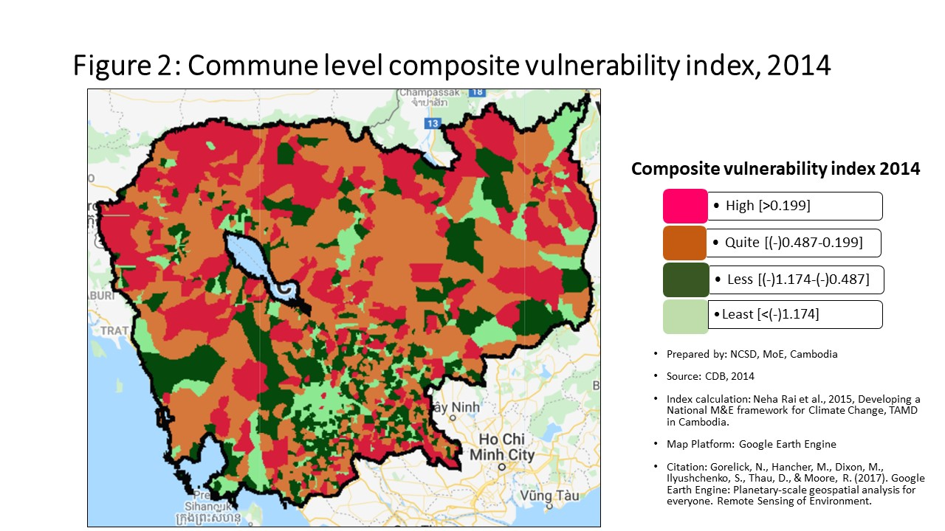
Vulnerability Index by commune, 2014
Prepared by: | NCSD, MoE,Cambodia
Source: | CDB 2014
CommGis | Province | District | Commune | Storm VI | Rank | FLOOD VI | Rank | Drought VI | Rank | Composite VI | Rank
10201 | Banteay Meanchey | Mongkol Borei | Banteay Neang | -0.14438625872 | 365 | -0.25139481273 | 563 | -0.98174389006 | 839 | -0.23926421746 | 601
10202 | Banteay Meanchey | Mongkol Borei | Bat Trang | -0.16781938991 | 568 | 0.0026827949838 | 352 | -0.52495087204 | 434 | 0.12464997509 | 303
10203 | Banteay Meanchey | Mongkol Borei | Chamnaom | -0.15734909111 | 468 | 0.28632397666 | 259 | -1.0846131673 | 913 | 0.020179182258 | 361
10204 | Banteay Meanchey | Mongkol Borei | Kouk Ballangk | -0.14905584416 | 394 | 0.017358981117 | 343 | -0.20291152366 | 157 | 0.13412391618 | 295
10205 | Banteay Meanchey | Mongkol Borei | Koy Maeng | -0.19882786129 | 829 | -0.022860677769 | 371 | -0.96367590086 | 823 | -0.057589670205 | 421
10206 | Banteay Meanchey | Mongkol Borei | Ou Prasat | -0.15794378421 | 471 | -0.42962159803 | 709 | -0.89266159786 | 762 | -0.42386698823 | 744
10207 | Banteay Meanchey | Mongkol Borei | Phnum Touch | -0.2044083885 | 872 | -1.7668206723 | 1362 | -2.8400380308 | 1500 | -1.7476709896 | 1372
10208 | Banteay Meanchey | Mongkol Borei | Rohat Tuek | -0.11165336886 | 188 | -0.0034039999197 | 358 | -0.86350459879 | 739 | 0.00088203500883 | 376
10209 | Banteay Meanchey | Mongkol Borei | Ruessei Kraok | -0.24170406167 | 1125 | -1.6255592155 | 1324 | -2.3713142439 | 1422 | -1.4955934535 | 1314
10210 | Banteay Meanchey | Mongkol Borei | Sambuor | -0.14319941658 | 358 | 0.13659852683 | 295 | -0.3645399623 | 286 | 0.11457913348 | 307
10211 | Banteay Meanchey | Mongkol Borei | Soea | -0.091320345423 | 118 | 0.52202350424 | 223 | -0.28661085785 | 221 | 0.56238690913 | 200
10212 | Banteay Meanchey | Mongkol Borei | Srah Reang | -0.097225428954 | 134 | 0.46211570804 | 228 | -0.31660664346 | 239 | 0.57235878776 | 199
10213 | Banteay Meanchey | Mongkol Borei | Ta Lam | -0.11029440734 | 181 | 0.37299028281 | 241 | -0.51277904731 | 423 | 0.48316152321 | 215
10301 | Banteay Meanchey | Phnum Srok | Nam Tau | -0.14960483551 | 399 | 0.67341585468 | 210 | -0.038386742969 | 55 | 0.78009665057 | 169
10302 | Banteay Meanchey | Phnum Srok | Poy Char | -0.1156594932 | 208 | 3.2660217192 | 65 | -0.3064966226 | 232 | 3.2371176776 | 38
10303 | Banteay Meanchey | Phnum Srok | Ponley | -0.16603927008 | 554 | 0.31605852562 | 256 | -0.70510349729 | 584 | 0.28342452056 | 252
10304 | Banteay Meanchey | Phnum Srok | Spean Sraeng | -0.16658905084 | 558 | -0.93957181396 | 1049 | -1.2507226161 | 1025 | -0.98819428108 | 1107
10305 | Banteay Meanchey | Phnum Srok | Srah Chik | -0.15318858642 | 431 | 2.1540923869 | 111 | -0.41450306225 | 331 | 2.2041396313 | 72
10306 | Banteay Meanchey | Phnum Srok | Phnum Dei | -0.19844746695 | 825 | 0.76709904372 | 200 | -0.57349307796 | 483 | 0.83931807286 | 164
10401 | Banteay Meanchey | Preah Netr Preah | Chnuor Mean Chey | -0.12786513761 | 269 | 0.52363866087 | 222 | -0.40571526892 | 322 | 0.51127928438 | 208
10402 | Banteay Meanchey | Preah Netr Preah | Chob Veari | -0.18914694294 | 745 | -1.0879696007 | 1132 | -2.2378939808 | 1391 | -1.0449167796 | 1140
10403 | Banteay Meanchey | Preah Netr Preah | Phnum Lieb | -0.15707987879 | 466 | -0.32089660545 | 632 | -0.62904704974 | 528 | -0.33265757844 | 672
10404 | Banteay Meanchey | Preah Netr Preah | Prasat | -0.15584483677 | 460 | 0.022140312598 | 341 | -0.27602895018 | 205 | 0.055036878519 | 335
10405 | Banteay Meanchey | Preah Netr Preah | Preah Netr Preah | -0.15704399468 | 465 | 0.54408536541 | 221 | -0.37873955913 | 295 | 0.55114455863 | 202
10406 | Banteay Meanchey | Preah Netr Preah | Rohal | -0.14243326858 | 355 | 0.941149388 | 179 | -0.25757073212 | 192 | 1.0466483689 | 145
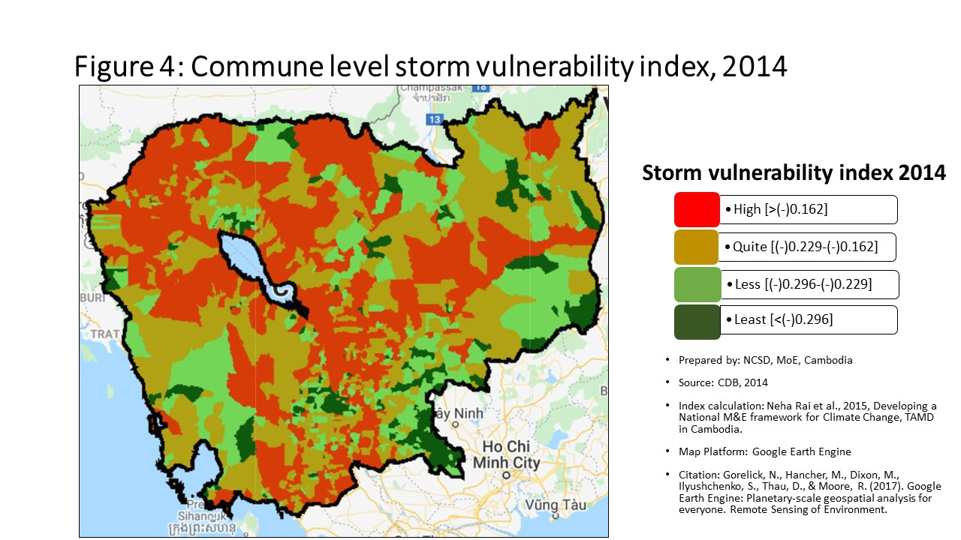
10407 | Banteay Meanchey | Preah Netr Preah | Tean Kam | -0.091661262335 | 119 | 0.70204525872 | 206 | 0.95257798511 | 20 | 0.76224469317 | 173
10408 | Banteay Meanchey | Preah Netr Preah | Tuek Chour | -0.17954561125 | 669 | -0.2072998771 | 524 | -0.42628374573 | 341 | -0.071427913907 | 435
10409 | Banteay Meanchey | Preah Netr Preah | Bos Sbov | -0.1441264997 | 361 | 0.19011181567 | 284 | -0.23687645437 | 176 | 0.26796848091 | 259
10501 | Banteay Meanchey | Ou Chrov | Changha | -0.10607881281 | 166 | 0.074483906642 | 320 | -0.56070268571 | 468 | 0.059301467727 | 333
10502 | Banteay Meanchey | Ou Chrov | Koub | -0.15237846176 | 426 | -0.042589747528 | 384 | -0.58970750624 | 497 | -0.069516453855 | 433
10503 | Banteay Meanchey | Ou Chrov | Kuttasat | -0.23407701122 | 1073 | 0.12925009973 | 300 | -0.72024036098 | 606 | 0.11174892346 | 308
10505 | Banteay Meanchey | Ou Chrov | Samraong | -0.13066670538 | 290 | -0.75010808643 | 940 | -1.0945279056 | 920 | -0.75055775581 | 974
10506 | Banteay Meanchey | Ou Chrov | Souphi | -0.1894839191 | 746 | -0.15168387971 | 478 | -0.46822494093 | 382 | -0.14557016782 | 497
10507 | Banteay Meanchey | Ou Chrov | Soengh | -0.11759694262 | 220 | 0.19902906346 | 282 | -0.48348974768 | 398 | 0.24447599223 | 265
10509 | Banteay Meanchey | Ou Chrov | Ou Bei Choan | -0.085464675656 | 102 | -0.13805776554 | 467 | -1.5629144377 | 1165 | -0.4598562745 | 774
10602 | Banteay Meanchey | Serei Saophoan | Kampong Svay | -0.22641783538 | 1020 | -2.4154810862 | 1481 | -2.8117713866 | 1497 | -2.2919408503 | 1472
10603 | Banteay Meanchey | Serei Saophoan | Kaoh Pong Satv | -0.12900298832 | 277 | 0.11267298491 | 306 | -0.36588981604 | 287 | 0.073361447496 | 324
10604 | Banteay Meanchey | Serei Saophoan | Mkak | -0.10036335542 | 148 | -0.017476253949 | 368 | -0.63198580856 | 531 | 0.099946940089 | 314
10605 | Banteay Meanchey | Serei Saophoan | Ou Ambel | -0.17894407252 | 664 | -0.47580792799 | 740 | -0.89496803404 | 764 | -0.36662518773 | 700
10606 | Banteay Meanchey | Serei Saophoan | Phniet | -0.19908559516 | 832 | 0.025176350424 | 339 | -0.27714904584 | 209 | 0.031632381761 | 351
10607 | Banteay Meanchey | Serei Saophoan | Preah Ponlea | -0.323574434 | 1429 | -2.1577012865 | 1433 | -2.3991329582 | 1429 | -2.0047111669 | 1421
10608 | Banteay Meanchey | Serei Saophoan | Tuek Thla | -0.22503725433 | 1012 | -0.082470316573 | 420 | -1.2639508778 | 1032 | 0.027136008043 | 359
10701 | Banteay Meanchey | Thma Puok | Banteay Chhmar | -0.13401962973 | 318 | -0.041046283989 | 383 | -0.51790326731 | 428 | -0.060077134078 | 423
10702 | Banteay Meanchey | Thma Puok | Kouk Romiet | -0.10169344618 | 151 | -0.24060099661 | 557 | -0.8699172267 | 745 | -0.12931820363 | 486
10703 | Banteay Meanchey | Thma Puok | Phum Thmei | -0.11839068716 | 226 | -0.60368884447 | 836 | -1.4064140284 | 1098 | -0.47733086598 | 792
10704 | Banteay Meanchey | Thma Puok | Thma Puok | -0.1332346982 | 311 | -6.5916361419 | 1625 | -7.5434411153 | 1630 | -6.6171546673 | 1625
10705 | Banteay Meanchey | Thma Puok | Kouk Kakthen | -0.085843853005 | 105 | 0.57268605295 | 216 | -0.13208426429 | 103 | 0.68792023253 | 182
10706 | Banteay Meanchey | Thma Puok | Kumru | -0.15150619493 | 419 | -0.96061863911 | 1061 | -1.5913525514 | 1181 | -0.82894686801 | 1014
10801 | Banteay Meanchey | Svay Chek | Phkoam | -0.13249893707 | 305 | 3.1375950155 | 69 | -0.25864844237 | 195 | 2.2632830867 | 69
10802 | Banteay Meanchey | Svay Chek | Sarongk | -0.18820929134 | 739 | -0.36890545635 | 670 | -0.85019781452 | 723 | -0.38119632846 | 710
10803 | Banteay Meanchey | Svay Chek | Sla Kram | -0.14734967942 | 382 | 0.23042056714 | 276 | -0.59122376942 | 499 | 0.26153009635 | 261
10804 | Banteay Meanchey | Svay Chek | Svay Chek | -0.1110605618 | 185 | 0.32588878095 | 251 | -0.52503321878 | 435 | 0.30812895605 | 244
10805 | Banteay Meanchey | Svay Chek | Ta Baen | -0.15120601079 | 415 | -0.11052465791 | 451 | -0.50636572988 | 411 | 0.018447428741 | 363
10806 | Banteay Meanchey | Svay Chek | Ta Phou | -0.080148108814 | 92 | 0.11422096587 | 304 | -0.36784411688 | 288 | 0.11852676404 | 305
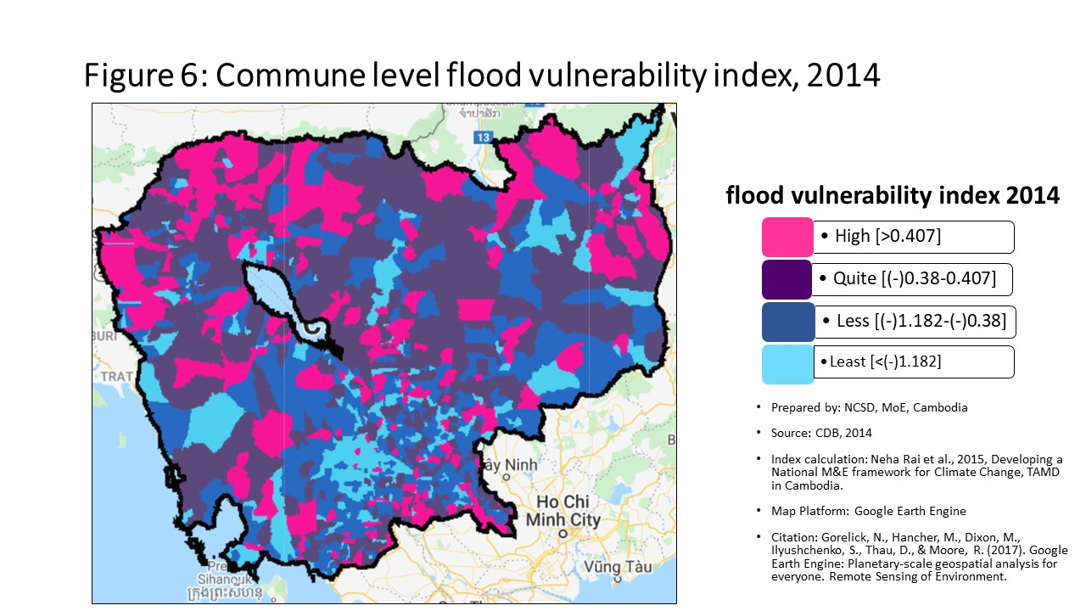
10807 | Banteay Meanchey | Svay Chek | Treas | -0.094973607546 | 126 | 0.45966630018 | 229 | -0.40008658152 | 315 | 0.42050975585 | 226
10808 | Banteay Meanchey | Svay Chek | Roluos | -0.15837111428 | 477 | -0.73313350468 | 926 | -1.8029719767 | 1257 | -0.66436424307 | 909
10901 | Banteay Meanchey | Malai | Boeng Beng | -0.19780470198 | 818 | 2.4544930211 | 93 | -1.9739708258 | 1316 | 1.8165443571 | 89
10902 | Banteay Meanchey | Malai | Malai | -0.19428062968 | 788 | 1.5838491319 | 140 | -2.0752207236 | 1349 | 1.0693997176 | 144
10903 | Banteay Meanchey | Malai | Ou Sampoar | -0.16477833784 | 546 | 0.82462201351 | 190 | -1.3296674259 | 1067 | 0.92616621081 | 155
10904 | Banteay Meanchey | Malai | Ou Sralau | -0.21284531886 | 935 | -0.39867387186 | 688 | -2.0316773179 | 1333 | -0.34598594785 | 683
10905 | Banteay Meanchey | Malai | Tuol Pongro | -0.11700721548 | 216 | 0.23925219714 | 273 | -0.50166308585 | 407 | 0.27002676804 | 257
10906 | Banteay Meanchey | Malai | Ta Kong | -0.1005665342 | 150 | 0.41368851322 | 237 | -0.24044690629 | 183 | 0.40359462906 | 227
11001 | Banteay Meanchey | Paoy Paet | Nimitt | -0.16590338937 | 553 | -0.22118440752 | 540 | -0.92504451839 | 796 | -0.17042603796 | 525
11002 | Banteay Meanchey | Paoy Paet | Paoy Paet | -0.20974033204 | 920 | -0.81244446234 | 969 | -1.2409808013 | 1013 | -0.91283928104 | 1071
11003 | Banteay Meanchey | Paoy Paet | Phsar Kandal | -0.22234147435 | 995 | -0.80397002644 | 960 | -1.6912605107 | 1221 | -0.91647861864 | 1075
20101 | Battambang | Banan | Kantueu Muoy | -0.16976297245 | 583 | -0.34131552652 | 649 | -0.55901985685 | 467 | -0.21914574353 | 581
20102 | Battambang | Banan | Kantueu Pir | -0.15350891567 | 435 | 4.0883117896 | 40 | -0.54803098793 | 459 | 2.8037029343 | 45
20103 | Battambang | Banan | Bay Damram | -0.15046865821 | 411 | -2.536321456 | 1507 | -4.5946962052 | 1604 | -3.1241150318 | 1561
20104 | Battambang | Banan | Chheu Teal | -0.19873431165 | 828 | -0.91455359679 | 1038 | -1.1125276664 | 939 | -0.78795183701 | 993
20105 | Battambang | Banan | Chaeng Mean Chey | -0.13376442278 | 315 | 0.38112809495 | 239 | -0.59757987047 | 504 | 0.44597647812 | 223
20106 | Battambang | Banan | Phnum Sampov | -0.17758955973 | 656 | -0.37587520107 | 673 | -0.9496182016 | 810 | -0.38233646021 | 712
20107 | Battambang | Banan | Snoeng | -0.12963473961 | 278 | -1.8618384686 | 1380 | -2.6056938427 | 1463 | -1.8835841901 | 1404
20108 | Battambang | Banan | Ta Kream | -0.12344770255 | 247 | 0.76840353586 | 198 | -0.75345158821 | 636 | 0.65303865094 | 188
20201 | Battambang | Thma Koul | Ta Pung | -0.15392754727 | 442 | -0.92196701813 | 1044 | -1.6444299268 | 1207 | -0.83669332706 | 1019
20202 | Battambang | Thma Koul | Ta Meun | -0.15526205936 | 451 | -0.73796729834 | 930 | -1.5962595567 | 1186 | -0.63436976675 | 889
20203 | Battambang | Thma Koul | Ou Ta Ki | -0.060347954325 | 61 | -0.060075726525 | 399 | -0.67586878168 | 562 | -0.013851714056 | 388
20204 | Battambang | Thma Koul | Chrey | -0.16140453546 | 503 | -0.63528469471 | 859 | -1.2973225286 | 1048 | -0.65567231212 | 902
20205 | Battambang | Thma Koul | Anlong Run | -0.066288542063 | 71 | 0.085267243911 | 317 | -0.38551804453 | 298 | 0.05218514773 | 337
20206 | Battambang | Thma Koul | Chrouy Sdau | -0.089354937712 | 113 | -0.14344024424 | 471 | -0.80198620673 | 682 | -0.056498252274 | 418
20207 | Battambang | Thma Koul | Boeng Pring | -0.15062229273 | 413 | 0.039805226747 | 333 | -1.0884365439 | 917 | 0.16254583245 | 285
20208 | Battambang | Thma Koul | Kouk Khmum | -0.10667272249 | 170 | -0.21921089488 | 538 | -0.92760428265 | 797 | -0.14419089164 | 496
20209 | Battambang | Thma Koul | Bansay Traeng | -0.088356480582 | 109 | -0.17285283243 | 492 | -1.21587789 | 996 | -0.071472965453 | 436
20210 | Battambang | Thma Koul | Rung Chrey | -0.081069493116 | 94 | 0.56898979857 | 217 | -0.76626013929 | 649 | 0.58257807404 | 196
20301 | Battambang | Battambang | Tuol Ta Aek | -0.34792410061 | 1482 | -1.6111880476 | 1320 | -1.8511504103 | 1276 | -1.4542627812 | 1304
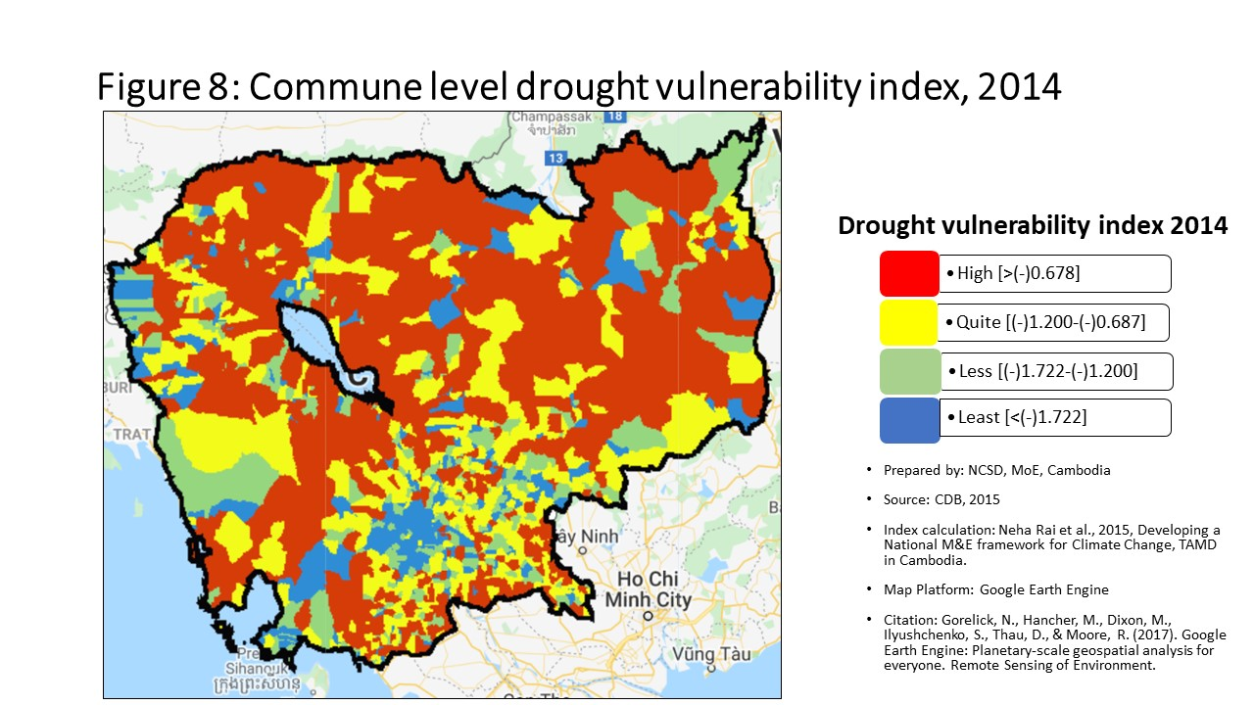
20302 | Battambang | Battambang | Preaek Preah Sdach | -0.39931783366 | 1542 | -1.0833661944 | 1131 | -1.1674219049 | 974 | -0.95013880563 | 1092
20303 | Battambang | Battambang | Rotanak | -0.32186455 | 1422 | -0.49273665895 | 754 | -1.6206055021 | 1198 | -0.66293687002 | 907
20304 | Battambang | Battambang | Chamkar Samraong | -0.33118382691 | 1445 | -1.9022873976 | 1388 | -2.0629362392 | 1347 | -1.7753593632 | 1378
20305 | Battambang | Battambang | Sla Kaet | -0.33418141177 | 1448 | -1.9965315403 | 1407 | -2.0921513561 | 1353 | -1.8627552277 | 1398
20306 | Battambang | Battambang | Kdol Doun Teav | -0.29953642964 | 1361 | -1.3779755339 | 1258 | -1.7492311219 | 1245 | -1.2610638535 | 1236
20307 | Battambang | Battambang | Ou Mal | -0.18411154051 | 705 | -0.83037698605 | 986 | -1.4208833722 | 1109 | -0.69355967956 | 930
20308 | Battambang | Battambang | Voat Kor | -0.24843114659 | 1158 | -1.3704207993 | 1256 | -1.6351091841 | 1203 | -1.2307048299 | 1221
20309 | Battambang | Battambang | Ou Char | -0.29899614256 | 1358 | -1.7454849002 | 1357 | -1.906884077 | 1301 | -1.5909517636 | 1336
20310 | Battambang | Battambang | Svay Pao | -0.38442356665 | 1531 | 0.35931676103 | 243 | -0.99948651647 | 852 | 0.042978109528 | 343
20401 | Battambang | Bavel | Bavel | -0.15163061845 | 421 | -0.62343806634 | 848 | -1.3714076082 | 1088 | -0.51995716063 | 822
20402 | Battambang | Bavel | Khnach Romeas | -0.14552992735 | 372 | 0.15014586175 | 291 | -0.67522015506 | 561 | 0.23696975998 | 267
20403 | Battambang | Bavel | Lvea | -0.13200567517 | 302 | 0.15466520588 | 288 | -0.71971914773 | 605 | 0.24157533998 | 266
20404 | Battambang | Bavel | Prey Khpos | -0.15136485967 | 417 | 0.087883891108 | 316 | -0.35608744813 | 277 | 0.19115186496 | 281
20405 | Battambang | Bavel | Ampil Pram Daeum | -0.12207438766 | 239 | -0.0081726302917 | 363 | -0.31799149908 | 241 | 0.070796223654 | 328
20406 | Battambang | Bavel | Kdol Ta Haen | -0.13215144231 | 304 | -0.40003846869 | 689 | -0.66763166763 | 556 | -0.31283894946 | 662
20407 | Battambang | Bavel | Khlaeng Meas | -0.16332996293 | 528 | 0.028051212556 | 338 | -0.27056083566 | 202 | 0.12783213605 | 300
20408 | Battambang | Bavel | Boeung Pram | -0.096903504561 | 131 | 0.14766114475 | 292 | 0.058193313311 | 39 | 0.22308121196 | 273
20501 | Battambang | Aek Phnum | Preaek Norint | -0.19156075922 | 766 | -0.69609561346 | 901 | -0.9990470831 | 851 | -0.57171941683 | 850
20502 | Battambang | Aek Phnum | Samraong Knong | -0.31004905619 | 1395 | -1.0052396605 | 1089 | -2.353164601 | 1415 | -1.2496310097 | 1228
20503 | Battambang | Aek Phnum | Preaek Khpob | -0.24504807266 | 1141 | -0.76055411756 | 946 | -1.0547907937 | 891 | -0.75404561819 | 975
20504 | Battambang | Aek Phnum | Preaek Luong | -0.13046406694 | 286 | -0.48702718819 | 750 | -0.63532533597 | 536 | -0.37628519924 | 707
20505 | Battambang | Aek Phnum | Peam Aek | -0.16248998824 | 519 | -1.4561482387 | 1278 | -1.8034788689 | 1258 | -1.43847143 | 1297
20506 | Battambang | Aek Phnum | Prey Chas | -0.0052480916031 | 20 | 0.022946039359 | 340 | 0.062040669032 | 36 | -0.024954723999 | 396
20507 | Battambang | Aek Phnum | Kaoh Chiveang | 0.053939430265 | 5 | 0.045374715904 | 331 | -0.00066316613153 | 49 | -0.020996569561 | 391
20601 | Battambang | Moung Ruessei | Moung | -0.15919256404 | 484 | -1.012007954 | 1096 | -1.3293717733 | 1066 | -1.0282787697 | 1128
20602 | Battambang | Moung Ruessei | Kear | -0.12983720497 | 280 | 0.4139437703 | 236 | -0.81744045099 | 692 | 0.16062024138 | 286
20603 | Battambang | Moung Ruessei | Prey Svay | -0.090717287208 | 117 | -0.70414343575 | 906 | -1.1710643808 | 977 | -0.69422015897 | 933
20604 | Battambang | Moung Ruessei | Ruessei Krang | -0.096086118997 | 129 | -1.3217765953 | 1231 | -1.6346992009 | 1202 | -1.2567850543 | 1233
20605 | Battambang | Moung Ruessei | Chrey | -0.04108783008 | 38 | 0.93499454105 | 180 | -0.58814611501 | 495 | 0.57775011149 | 197
20606 | Battambang | Moung Ruessei | Ta Loas | -0.11696032818 | 214 | 1.5483161049 | 142 | -0.58283118045 | 489 | 1.0085602176 | 146
20607 | Battambang | Moung Ruessei | Kakaoh | -0.048838439622 | 45 | 2.05754465 | 117 | -0.75489217249 | 638 | 1.306511593 | 127
20608 | Battambang | Moung Ruessei | Prey Touch | -0.17452881421 | 636 | -0.31794712442 | 630 | -0.86327177272 | 738 | -0.23654006249 | 596
20609 | Battambang | Moung Ruessei | Robas Mongkol | -0.067176481906 | 73 | 1.9818628658 | 121 | -0.40418847018 | 319 | 1.2313315117 | 135
20701 | Battambang | Rotonak Mondol | Sdau | -0.19854334477 | 826 | 0.19629973157 | 283 | -0.80933695463 | 687 | 0.17420616192 | 284
20702 | Battambang | Rotonak Mondol | Andaeuk Haeb | -0.17310437987 | 612 | 0.13379637523 | 297 | -0.20448926198 | 159 | 0.19200539623 | 280
20703 | Battambang | Rotonak Mondol | Phlov Meas | -0.079998072103 | 91 | 1.3308144018 | 160 | -1.804719992 | 1259 | 0.63570181933 | 189
20704 | Battambang | Rotonak Mondol | Traeng | -0.14059336069 | 345 | 0.50475822 | 224 | -0.6979741849 | 577 | 0.51505960656 | 207
20705 | Battambang | Rotonak Mondol | Reaksmei Songha | -0.13174164513 | 300 | 1.2237520452 | 167 | -0.48243144361 | 396 | 1.2052079205 | 137
20801 | Battambang | Sangkae | Anlong Vil | -0.19692425307 | 809 | -4.3039176017 | 1606 | -4.5036315441 | 1601 | -4.1758742037 | 1605
20802 | Battambang | Sangkae | Norea | -0.31730641802 | 1408 | -1.0767818359 | 1129 | -1.2228203278 | 1002 | -1.0206651503 | 1125
20803 | Battambang | Sangkae | Ta Pon | -0.17317404594 | 614 | -0.030977988216 | 375 | -0.90767114702 | 780 | 0.019610109562 | 362
20804 | Battambang | Sangkae | Roka | -0.19396529384 | 784 | -0.079913958564 | 418 | -0.27838030608 | 211 | 0.049143667147 | 340
20805 | Battambang | Sangkae | Kampong Preah | -0.22054743111 | 985 | -0.25251264933 | 564 | -0.41888504264 | 335 | -0.20621925125 | 572
20806 | Battambang | Sangkae | Kampong Preang | -0.19797272099 | 822 | -0.38434003389 | 677 | -0.89636032942 | 769 | -0.26240569633 | 619
20807 | Battambang | Sangkae | Reang Kesei | -0.16718117944 | 563 | -0.55377071597 | 799 | -0.74338698305 | 626 | -0.40840150147 | 730
20808 | Battambang | Sangkae | Ou Dambang Muoy | -0.23017833982 | 1045 | -0.1260476604 | 460 | -1.2492679792 | 1022 | -0.37342513706 | 703
20809 | Battambang | Sangkae | Ou Dambang Pir | -0.2078406633 | 902 | -0.5743865039 | 817 | -0.60204455434 | 507 | -0.50582125516 | 813
20810 | Battambang | Sangkae | Voat Ta Muem | -0.18267374849 | 697 | -0.67760084508 | 886 | -0.84545580764 | 721 | -0.59291784092 | 865
20901 | Battambang | Samlout | Ta Taok | -0.20533292905 | 882 | -0.47228606843 | 735 | -0.61417082564 | 519 | -0.45880880948 | 771
20902 | Battambang | Samlout | Kampong Lpov | -0.23188633697 | 1059 | -1.1820554614 | 1174 | -1.8395605224 | 1271 | -1.1051420023 | 1169
20903 | Battambang | Samlout | Ou Samril | -0.15575101047 | 458 | -0.39488176017 | 684 | -1.9741472531 | 1317 | -0.34453135381 | 681
20904 | Battambang | Samlout | Sung | -0.20753081465 | 900 | -1.6920845915 | 1344 | -2.7430124916 | 1489 | -1.5673697322 | 1330
20905 | Battambang | Samlout | Samlout | -0.22199995817 | 993 | -0.55862228404 | 804 | -0.89530023333 | 767 | -0.45911897492 | 773
20906 | Battambang | Samlout | Mean Chey | -0.20136596991 | 848 | 1.1861370214 | 169 | -0.39450225713 | 308 | 1.2751500239 | 131
20907 | Battambang | Samlout | Ta Sanh | -0.19366597665 | 779 | 0.013587104818 | 346 | -1.0466231961 | 883 | 0.15334904835 | 290
21001 | Battambang | Sampov Lun | Sampov Lun | -0.19182857401 | 768 | 2.6817408786 | 85 | -2.061125739 | 1344 | 2.7260319503 | 46
21002 | Battambang | Sampov Lun | Angkor Ban | -0.29353891236 | 1331 | 1.8813639512 | 124 | -2.8632446193 | 1502 | 1.9880301636 | 82
21003 | Battambang | Sampov Lun | Ta Sda | -0.26270387289 | 1221 | 2.0505459712 | 119 | -5.5995625906 | 1617 | 2.1772779143 | 74
21004 | Battambang | Sampov Lun | Santepheap | -0.20535146208 | 883 | -2.4757732276 | 1488 | -4.3120152051 | 1597 | -2.3577435284 | 1482
21005 | Battambang | Sampov Lun | Serei Mean Chey | -0.12471681699 | 253 | 1.3956673084 | 152 | -1.3021897635 | 1050 | 1.419663137 | 119
21006 | Battambang | Sampov Lun | Chrey Seima | -0.14093905523 | 347 | 2.8147313825 | 79 | -1.5978099203 | 1188 | 2.2919799739 | 65
21101 | Battambang | Phnum Proek | Phnum Proek | -0.29363908856 | 1333 | 4.3874084634 | 37 | -1.920912535 | 1305 | 4.4634825385 | 19
21102 | Battambang | Phnum Proek | Pech Chenda | -0.20714808331 | 896 | 2.4345763877 | 94 | -2.0387041437 | 1336 | 2.4090836042 | 59
21103 | Battambang | Phnum Proek | Bour | -0.13582441305 | 321 | 0.74960133679 | 202 | -0.97589442911 | 835 | 0.85923154521 | 162
21104 | Battambang | Phnum Proek | Barang Thleak | -0.21976677592 | 980 | 3.2356929422 | 66 | -3.1738628035 | 1534 | 3.2657066419 | 36
21105 | Battambang | Phnum Proek | Ou Rumduol | -0.16861383402 | 573 | 1.3790189871 | 155 | -1.307834522 | 1051 | 1.4921109537 | 113
21201 | Battambang | Kamrieng | Kamrieng | -0.14860994458 | 388 | -0.82089516408 | 977 | -4.0493570936 | 1592 | -0.72766546845 | 954
21202 | Battambang | Kamrieng | Boeng Reang | -0.20611819508 | 886 | 0.73173784696 | 204 | -1.445485161 | 1123 | 0.82872560276 | 167
21203 | Battambang | Kamrieng | Ou Da | -0.12822347689 | 271 | 1.3854267742 | 154 | -1.6924097318 | 1222 | 1.5039114337 | 112
21204 | Battambang | Kamrieng | Trang | -0.1688349223 | 577 | 1.8331940651 | 127 | -1.9173907185 | 1303 | 1.9403769593 | 84
21205 | Battambang | Kamrieng | Ta Saen | -0.18615514905 | 723 | 2.9524113002 | 75 | -1.3736767528 | 1089 | 2.9546583643 | 41
21206 | Battambang | Kamrieng | Ta Krei | -0.16363471453 | 531 | 1.140076088 | 172 | -1.2228348193 | 1003 | 1.1624661373 | 141
21301 | Battambang | Koas Krala | Thipakdei | -0.11229167252 | 194 | -0.30986931669 | 617 | -0.59163074378 | 500 | -0.32951838033 | 669
21302 | Battambang | Koas Krala | Kaos Krala | -0.16452189404 | 542 | -0.83908954959 | 994 | -1.333280486 | 1069 | -0.72722296277 | 953
21303 | Battambang | Koas Krala | Hab | -0.094713386274 | 124 | -0.13899547604 | 469 | -0.0790674646 | 70 | -0.017274996079 | 389
21304 | Battambang | Koas Krala | Preah Phos | -0.15544309664 | 452 | 0.33685124447 | 249 | -0.23705508488 | 177 | 0.4524290595 | 220
21305 | Battambang | Koas Krala | Doun Ba | -0.10836400763 | 175 | 0.090797477829 | 314 | 0.022513986737 | 43 | 0.20825009807 | 277
21306 | Battambang | Koas Krala | Chhnal Moan | -0.13110329187 | 295 | -0.029889555605 | 374 | -0.25439407693 | 190 | 0.087783220977 | 317
21401 | Battambang | Rukh Kiri | Preaek Chik | -0.14897309235 | 392 | -0.1753412345 | 496 | -0.41205636444 | 328 | -0.12223878183 | 477
21402 | Battambang | Rukh Kiri | Prey Tralach | -0.13083103765 | 293 | 3.9022662909 | 47 | -0.18200576777 | 140 | 2.5757517765 | 50
21403 | Battambang | Rukh Kiri | Mukh Reah | -0.19129249573 | 763 | -0.15707525858 | 483 | -0.35797594243 | 280 | -0.1431206097 | 492
21404 | Battambang | Rukh Kiri | Sdok Pravoek | -0.1500162655 | 405 | -0.15154933942 | 477 | -0.60795043696 | 510 | -0.15374060094 | 499
21405 | Battambang | Rukh Kiri | Basak | -0.15584367285 | 459 | 0.16616639863 | 287 | -0.32068078351 | 244 | 0.139779721 | 293
30101 | Kampong Cham | Batheay | Batheay | -0.13012650919 | 282 | -1.1917854079 | 1179 | -1.5057589741 | 1145 | -1.0648053554 | 1149
...

