Provincial ranking
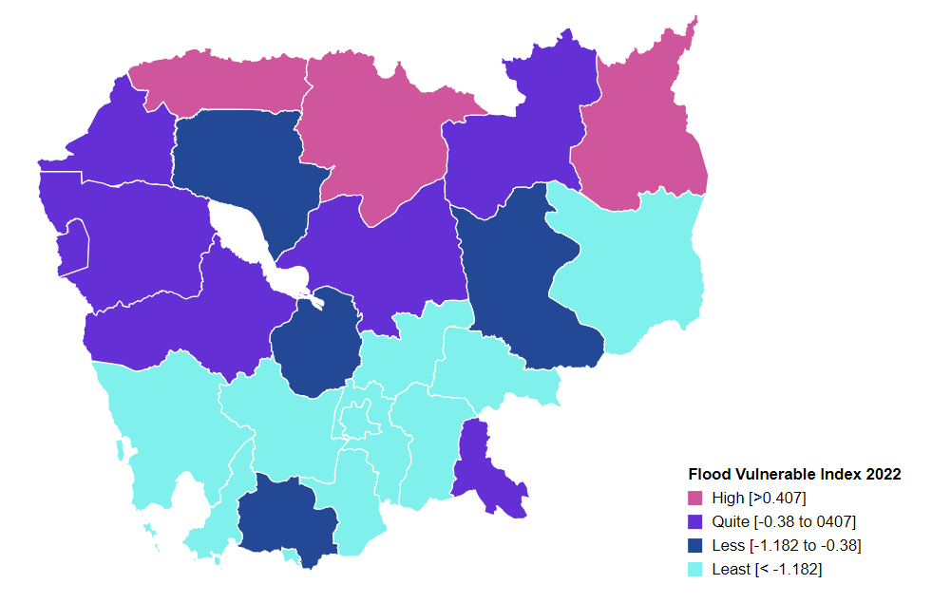
Vulnerability Index by province, 2022
Prepared by: | NCSD, MoE, Cambodia
Source: | CDB 2022
PROV_CODE | PROV_NAME | Storm VI | Rank | Flood VI | Rank | Drought VI | Rank | Composite VI | Rank
1 | Banteay Meanchey | -0.242 | 2 | 0.282 | 4 | -1.356 | 6 | 0.260 | 3
2 | Battambang | -0.250 | 4 | -0.048 | 6 | -1.514 | 8 | -0.072 | 7
3 | Kampong Cham | -0.287 | 13 | -1.430 | 17 | -1.779 | 13 | -1.362 | 17
4 | Kampong Chhnang | -0.274 | 9 | -0.911 | 14 | -1.577 | 9 | -0.898 | 14
5 | Kampong Speu | -0.299 | 15 | -2.654 | 23 | -3.328 | 23 | -2.645 | 23
6 | Kampong Thom | -0.271 | 7 | -0.345 | 10 | -1.665 | 10 | -0.405 | 10
7 | Kampot | -0.307 | 17 | -0.602 | 13 | -2.159 | 18 | -0.878 | 13
8 | Kandal | -0.312 | 18 | -2.293 | 22 | -2.095 | 17 | -2.212 | 22
9 | Koh Kong | -0.283 | 10 | -1.723 | 21 | -1.943 | 14 | -1.625 | 20
10 | Kracheh | -0.272 | 8 | -0.523 | 12 | -1.309 | 5 | -0.455 | 12
11 | Mondul Kiri | -0.283 | 12 | -1.386 | 16 | -2.057 | 15 | -1.244 | 15
12 | Phnom Penh | -0.555 | 25 | -3.924 | 25 | -4.187 | 25 | -3.879 | 25
13 | Preah Vihear | -0.244 | 3 | 0.463 | 3 | 0.028 | 1 | 0.519 | 2
14 | Prey Veng | -0.321 | 20 | -1.567 | 19 | -2.250 | 21 | -1.488 | 18
15 | Pursat | -0.239 | 1 | -0.210 | 9 | -1.490 | 7 | -0.290 | 9
16 | Ratanak Kiri | -0.298 | 14 | 0.544 | 2 | -1.133 | 4 | 0.224 | 4
17 | Siem Reap | -0.342 | 21 | -0.416 | 11 | -1.680 | 11 | -0.442 | 11
18 | Preah Sihanouk | -0.385 | 24 | -3.540 | 24 | -3.697 | 24 | -3.441 | 24
19 | Stung Treng | -0.267 | 6 | -0.139 | 7 | -0.371 | 2 | -0.061 | 6
20 | Svay Rieng | -0.370 | 23 | -0.185 | 8 | -2.065 | 16 | -0.165 | 8
21 | Takeo | -0.256 | 5 | -1.719 | 20 | -2.401 | 22 | -1.664 | 21
22 | Otdar Meanchey | -0.283 | 11 | 1.529 | 1 | -0.933 | 3 | 1.536 | 1
23 | Kep | -0.317 | 19 | -1.558 | 18 | -2.171 | 19 | -1.574 | 19
24 | Pailin | -0.369 | 22 | 0.022 | 5 | -2.217 | 20 | 0.045 | 5
25 | Tboung Khmum | -0.305 | 16 | -1.329 | 15 | -1.748 | 12 | -1.305 | 16

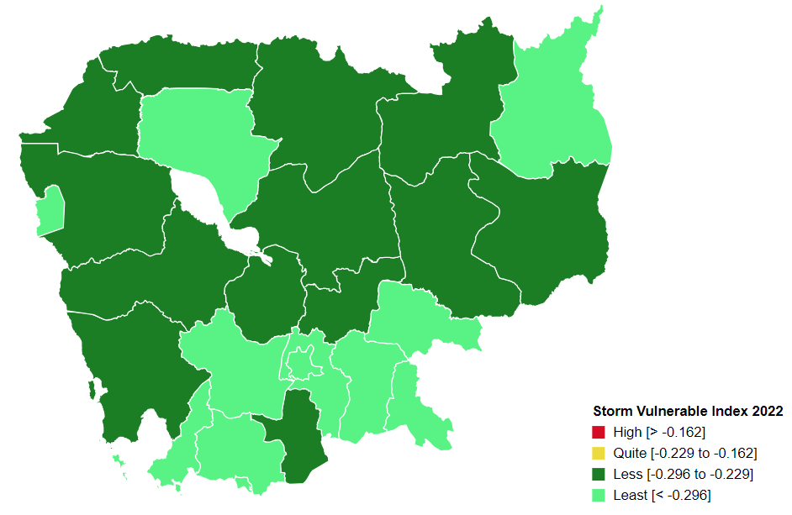
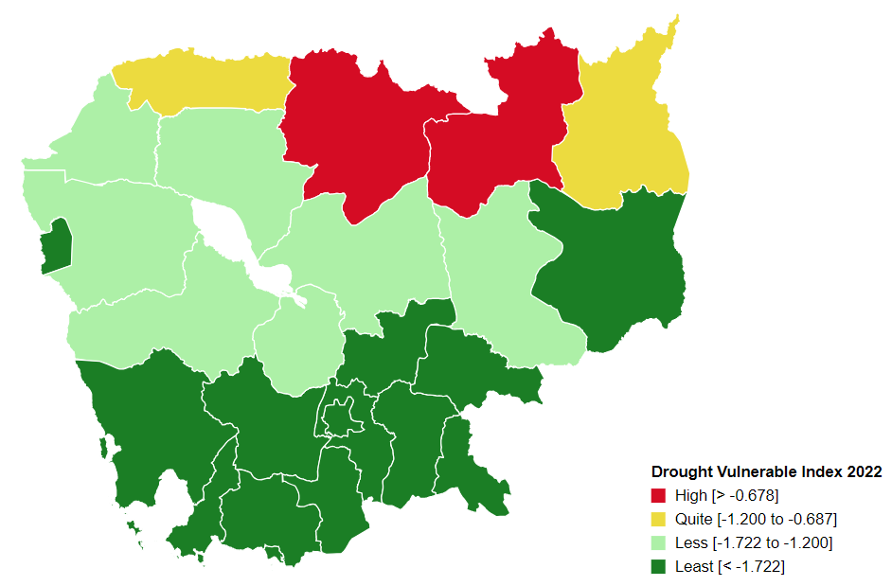
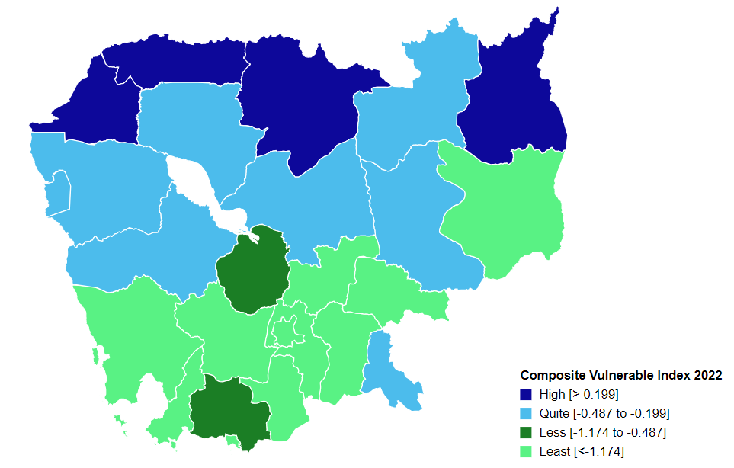

Percentage
Communes that are 'highly vulnerable' to climate hazards in each provinces, by hazard type
 | Hightly Vulnerable |  |  |  | Quite Vulnerable
 | Storm | Flood | Drought |  | Storm | Flood | Drought
Banteay Meanchey | 3.13% | 32.81% | 10.94% | Banteay Meanchey | 37.50% | 42.19% | 35.94%
Battambang | 7.77% | 28.16% | 14.56% | Battambang | 38.83% | 34.95% | 23.30%
Kampong Cham | 1.83% | 1.83% | 7.34% | Kampong Cham | 19.27% | 11.01% | 21.10%
Kampong Chhnang | 14.08% | 8.45% | 15.49% | Kampong Chhnang | 9.86% | 29.58% | 19.72%
Kampong Speu | 0.00% | 2.27% | 3.41% | Kampong Speu | 9.09% | 3.41% | 0.00%
Kampong Thom | 7.41% | 22.22% | 9.88% | Kampong Thom | 13.58% | 32.10% | 30.86%
Kampot | 1.08% | 7.53% | 1.08% | Kampot | 6.45% | 5.38% | 10.75%
Kandal | 5.60% | 2.40% | 9.60% | Kandal | 9.60% | 5.60% | 4.00%
Koh Kong | 10.34% | 0.00% | 6.90% | Koh Kong | 6.90% | 6.90% | 17.24%
Kratie | 4.17% | 10.42% | 27.08% | Kratie | 22.92% | 41.67% | 31.25%
Mondul Kiri | 0.00% | 9.52% | 19.05% | Mondul Kiri | 23.81% | 28.57% | 19.05%
Phnom Penh | 0.00% | 0.00% | 0.00% | Phnom Penh | 0.00% | 1.90% | 0.00%
Preah Vihear | 11.76% | 52.94% | 62.75% | Preah Vihear | 29.41% | 17.65% | 13.73%
Prey Veng | 1.72% | 5.17% | 3.45% | Prey Veng | 9.48% | 11.21% | 12.07%
Pursat | 6.12% | 22.45% | 6.12% | Pursat | 34.69% | 26.53% | 44.90%
Ratanak Kiri | 2.00% | 16.00% | 46.00% | Ratanak Kiri | 6.00% | 46.00% | 26.00%
Siem Reap | 1.00% | 29.00% | 14.00% | Siem Reap | 4.00% | 20.00% | 33.00%
Preah Sihanouk | 0.00% | 0.00% | 3.45% | Preah Sihanouk | 3.45% | 0.00% | 3.45%
Stung Treng | 2.94% | 23.53% | 47.06% | Stung Treng | 26.47% | 47.06% | 32.35%
Communes that are 'quite vulnerable' to climate hazards in each provinces, by hazard type
Svay Rieng | 0.00% | 23.75% | 1.25% | Svay Rieng | 0.00% | 15.00% | 21.25%
Takeo | 11.00% | 3.00% | 2.00% | Takeo | 14.00% | 8.00% | 12.00%
Otdar Meanchey | 0.00% | 75.00% | 41.67% | Otdar Meanchey | 12.50% | 12.50% | 37.50%
Kep | 0.00% | 0.00% | 0.00% | Kep | 0.00% | 20.00% | 20.00%
Pailin | 0.00% | 37.50% | 0.00% | Pailin | 0.00% | 25.00% | 0.00%
Tbong Khmum | 0.00% | 4.84% | 12.90% | Tbong Khmum | 9.68% | 17.74% | 22.58%

Commune Ranking
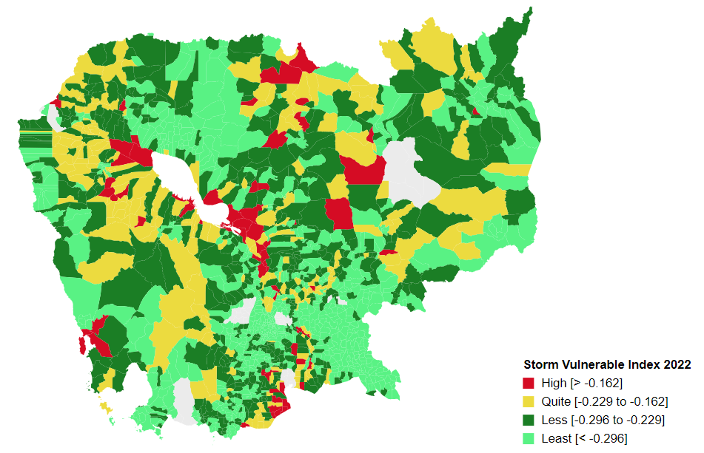
Vulnerability Index by commune, 2022
Prepared by: | NCSD, MoE,Cambodia
Source: | CDB 2022
CommGis | Province | District | Commune | Storm VI | Rank | Flood VI | Rank | Drought VI | Rank | Composite VI | Rank
10201 | Banteay Meanchey | Mongkol Borei | Banteay Neang | -0.22 | 224 | 1.41 | 116 | -1.23 | 509 | 0.92 | 159
10202 | Banteay Meanchey | Mongkol Borei | Bat Trang | -0.19 | 118 | -0.15 | 426 | -1.01 | 392 | -0.02 | 377
10203 | Banteay Meanchey | Mongkol Borei | Chamnaom | -0.25 | 396 | -0.15 | 421 | -1.15 | 478 | -0.17 | 455
10204 | Banteay Meanchey | Mongkol Borei | Kouk Ballangk | -0.22 | 232 | 0.49 | 215 | -0.57 | 157 | 0.47 | 214
10205 | Banteay Meanchey | Mongkol Borei | Koy Maeng | -0.19 | 117 | -0.70 | 653 | -1.83 | 844 | -0.73 | 710
10206 | Banteay Meanchey | Mongkol Borei | Ou Prasat | -0.22 | 263 | -0.68 | 647 | -1.94 | 904 | -0.84 | 749
10207 | Banteay Meanchey | Mongkol Borei | Phnum Touch | -0.26 | 460 | -2.23 | 1235 | -3.34 | 1385 | -2.12 | 1225
10208 | Banteay Meanchey | Mongkol Borei | Rohat Tuek | -0.23 | 294 | 0.04 | 334 | -1.12 | 458 | 0.16 | 300
10209 | Banteay Meanchey | Mongkol Borei | Ruessei Kraok | -0.28 | 678 | -1.16 | 844 | -2.28 | 1061 | -1.37 | 947
10210 | Banteay Meanchey | Mongkol Borei | Sambuor | -0.18 | 93 | 3.74 | 36 | -0.94 | 353 | 2.64 | 43
10211 | Banteay Meanchey | Mongkol Borei | Soea | -0.20 | 176 | 0.36 | 240 | -0.54 | 140 | 0.33 | 254
10212 | Banteay Meanchey | Mongkol Borei | Srah Reang | -0.18 | 94 | 0.16 | 291 | -1.19 | 498 | 0.28 | 264
10213 | Banteay Meanchey | Mongkol Borei | Ta Lam | -0.16 | 67 | -0.37 | 523 | -0.93 | 350 | -0.24 | 496
10301 | Banteay Meanchey | Phnum Srok | Nam Tau | -0.25 | 424 | 5.44 | 24 | -0.87 | 316 | 4.42 | 27
10302 | Banteay Meanchey | Phnum Srok | Poy Char | -0.26 | 480 | 2.94 | 49 | -0.40 | 99 | 3.00 | 40
10303 | Banteay Meanchey | Phnum Srok | Ponley | -0.22 | 239 | -0.15 | 427 | -2.03 | 953 | -0.10 | 421
10304 | Banteay Meanchey | Phnum Srok | Spean Sraeng | -0.13 | 37 | 1.24 | 132 | -1.01 | 399 | 1.26 | 128
10305 | Banteay Meanchey | Phnum Srok | Srah Chik | -0.23 | 290 | 9.37 | 13 | -2.52 | 1156 | 6.77 | 15
10306 | Banteay Meanchey | Phnum Srok | Phnum Dei | -0.23 | 323 | 1.59 | 102 | -1.43 | 626 | 1.71 | 83
10401 | Banteay Meanchey | Preah Netr Preah | Chnuor Mean Chey | -0.26 | 452 | 0.16 | 292 | -1.56 | 707 | 0.32 | 257
10402 | Banteay Meanchey | Preah Netr Preah | Chob Veari | -0.27 | 577 | -0.29 | 485 | -1.48 | 663 | -0.17 | 453
10403 | Banteay Meanchey | Preah Netr Preah | Phnum Lieb | -0.26 | 491 | 0.60 | 200 | -0.72 | 225 | 0.73 | 180
10404 | Banteay Meanchey | Preah Netr Preah | Prasat | -0.27 | 540 | 0.33 | 248 | -1.01 | 395 | 0.48 | 211
10405 | Banteay Meanchey | Preah Netr Preah | Preah Netr Preah | -0.26 | 471 | -0.01 | 355 | -1.10 | 447 | 0.00 | 360
10406 | Banteay Meanchey | Preah Netr Preah | Rohal | -0.23 | 320 | 0.83 | 173 | -0.65 | 188 | 0.97 | 155
10407 | Banteay Meanchey | Preah Netr Preah | Tean Kam | -0.17 | 76 | 2.22 | 62 | -0.34 | 91 | 2.36 | 49
10408 | Banteay Meanchey | Preah Netr Preah | Tuek Chour | -0.24 | 342 | 1.03 | 151 | -1.16 | 484 | 0.83 | 167
10409 | Banteay Meanchey | Preah Netr Preah | Bos Sbov | -0.22 | 250 | 0.10 | 310 | -1.25 | 521 | 0.24 | 271
10501 | Banteay Meanchey | Ou Chrov | Changha | -0.25 | 402 | 0.38 | 236 | 3.29 | 21 | 0.48 | 209
10502 | Banteay Meanchey | Ou Chrov | Koub | -0.24 | 370 | -0.54 | 590 | -1.43 | 628 | -0.42 | 567
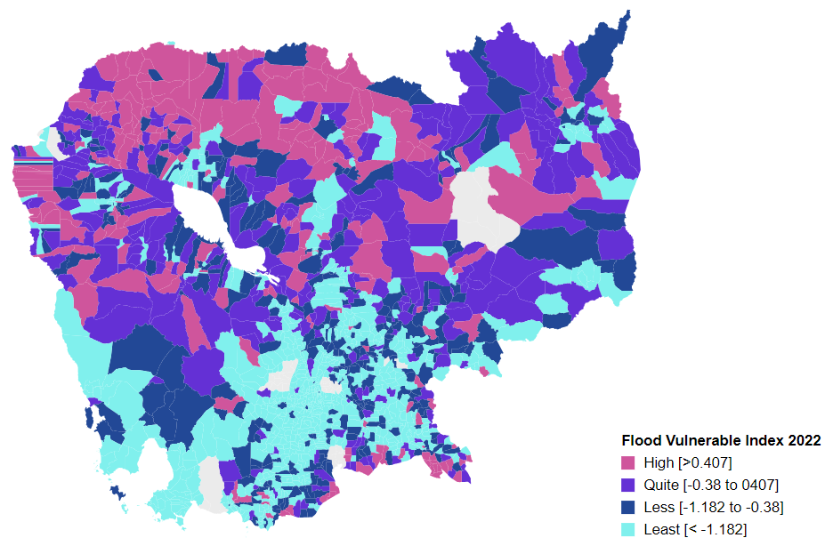
10503 | Banteay Meanchey | Ou Chrov | Kuttasat | -0.32 | 1002 | 0.10 | 311 | -1.48 | 657 | 0.22 | 280
10505 | Banteay Meanchey | Ou Chrov | Samraong | -0.24 | 331 | -0.08 | 388 | -1.13 | 459 | -0.12 | 430
10506 | Banteay Meanchey | Ou Chrov | Souphi | -0.24 | 333 | 0.29 | 266 | -1.07 | 423 | 0.42 | 226
10507 | Banteay Meanchey | Ou Chrov | Soengh | -0.22 | 233 | 0.50 | 213 | -0.72 | 222 | 0.62 | 191
10509 | Banteay Meanchey | Ou Chrov | Ou Bei Choan | -0.01 | 3 | -0.05 | 369 | -0.22 | 70 | -0.11 | 424
10602 | Banteay Meanchey | Serei Saophoan | Kampong Svay | -0.33 | 1088 | -2.07 | 1193 | -2.40 | 1120 | -1.92 | 1169
10603 | Banteay Meanchey | Serei Saophoan | Kaoh Pong Satv | -0.18 | 87 | -0.21 | 453 | -1.26 | 523 | -0.09 | 419
10604 | Banteay Meanchey | Serei Saophoan | Mkak | -0.22 | 266 | -0.68 | 648 | -1.48 | 660 | -0.55 | 626
10605 | Banteay Meanchey | Serei Saophoan | Ou Ambel | -0.34 | 1181 | -1.66 | 1042 | -1.98 | 923 | -1.53 | 1023
10606 | Banteay Meanchey | Serei Saophoan | Phniet | -0.31 | 943 | -0.63 | 628 | -1.51 | 677 | -0.55 | 629
10607 | Banteay Meanchey | Serei Saophoan | Preah Ponlea | -0.40 | 1419 | -0.85 | 724 | -1.37 | 585 | -0.69 | 684
10608 | Banteay Meanchey | Serei Saophoan | Tuek Thla | -0.29 | 781 | 0.59 | 201 | -1.26 | 529 | 0.37 | 243
10701 | Banteay Meanchey | Thma Puok | Banteay Chhmar | -0.23 | 279 | -0.09 | 399 | -1.42 | 624 | -0.01 | 371
10702 | Banteay Meanchey | Thma Puok | Kouk Romiet | -0.19 | 138 | 1.00 | 152 | -0.84 | 303 | 1.11 | 140
10703 | Banteay Meanchey | Thma Puok | Phum Thmei | -0.28 | 656 | 0.45 | 221 | -0.79 | 270 | 0.61 | 195
10704 | Banteay Meanchey | Thma Puok | Thma Puok | -0.25 | 430 | 0.66 | 189 | -1.36 | 580 | 0.75 | 174
10705 | Banteay Meanchey | Thma Puok | Kouk Kakthen | -0.25 | 397 | 0.99 | 154 | -0.81 | 287 | 1.12 | 135
10706 | Banteay Meanchey | Thma Puok | Kumru | -0.27 | 591 | -0.29 | 481 | -1.75 | 809 | -0.18 | 463
10801 | Banteay Meanchey | Svay Chek | Phkoam | -0.25 | 410 | 0.66 | 187 | -0.89 | 333 | 0.74 | 178
10802 | Banteay Meanchey | Svay Chek | Sarongk | -0.23 | 284 | 0.25 | 273 | -0.88 | 324 | 0.36 | 245
10803 | Banteay Meanchey | Svay Chek | Sla Kram | -0.29 | 785 | 0.19 | 288 | -1.09 | 441 | 0.30 | 259
10804 | Banteay Meanchey | Svay Chek | Svay Chek | -0.19 | 134 | -0.06 | 373 | -2.85 | 1257 | -0.30 | 517
10805 | Banteay Meanchey | Svay Chek | Ta Baen | -0.22 | 264 | -0.01 | 356 | -0.88 | 325 | 0.12 | 316
10806 | Banteay Meanchey | Svay Chek | Ta Phou | -0.25 | 439 | -0.05 | 365 | -1.16 | 483 | -0.03 | 391
10807 | Banteay Meanchey | Svay Chek | Treas | -0.27 | 542 | 1.25 | 131 | -1.33 | 563 | 1.36 | 116
10808 | Banteay Meanchey | Svay Chek | Roluos | -0.22 | 251 | -0.65 | 634 | -2.59 | 1173 | -0.70 | 688
10901 | Banteay Meanchey | Malai | Boeng Beng | -0.27 | 536 | 0.33 | 252 | -2.75 | 1223 | 0.43 | 223
10902 | Banteay Meanchey | Malai | Malai | -0.28 | 670 | -0.71 | 660 | -2.13 | 990 | -0.62 | 653
10903 | Banteay Meanchey | Malai | Ou Sampoar | -0.25 | 442 | 0.50 | 214 | -2.38 | 1115 | 0.63 | 189
10904 | Banteay Meanchey | Malai | Ou Sralau | -0.26 | 499 | -0.33 | 499 | -2.27 | 1053 | -0.22 | 485
10905 | Banteay Meanchey | Malai | Tuol Pongro | -0.26 | 507 | -1.84 | 1113 | -2.86 | 1262 | -1.73 | 1097
11003 | Banteay Meanchey | Paoy Paet | Phsar Kandal | -0.32 | 1028 | -1.72 | 1077 | -1.97 | 913 | -1.68 | 1084
11004 | Banteay Meanchey | Paoy Paet | Ou Chrov | -0.37 | 1341 | -1.87 | 1120 | -1.91 | 891 | -1.89 | 1159
11005 | Banteay Meanchey | Paoy Paet | Ou Reusey | -0.20 | 179 | -1.91 | 1134 | -2.20 | 1024 | -1.78 | 1119
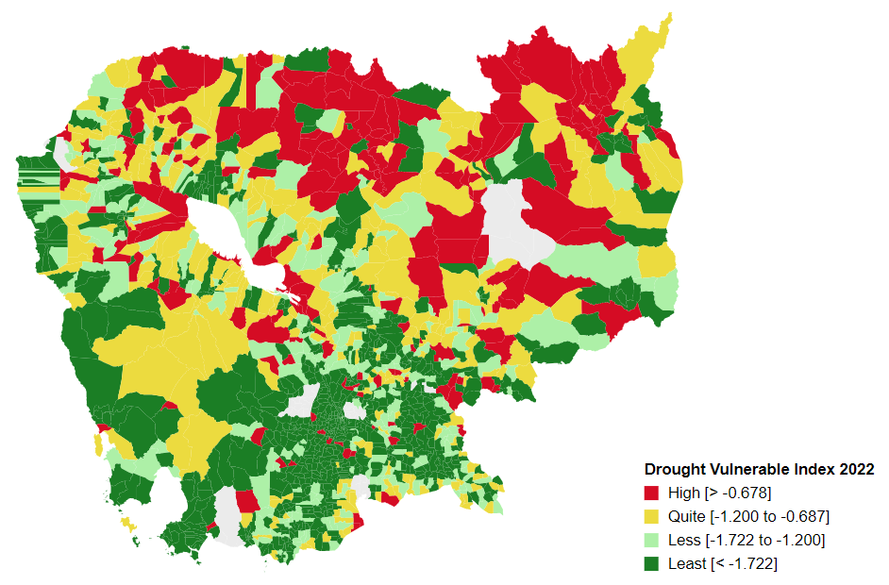
20101 | Battambang | Banan | Kantueu Muoy | -0.24 | 335 | 1.75 | 93 | -0.60 | 170 | 1.90 | 74
20102 | Battambang | Banan | Kantueu Pir | -0.25 | 382 | -0.53 | 584 | -1.25 | 516 | -0.40 | 560
20103 | Battambang | Banan | Bay Damram | -0.18 | 111 | -0.97 | 771 | -1.66 | 765 | -0.91 | 773
20104 | Battambang | Banan | Chheu Teal | -0.25 | 418 | -1.17 | 850 | -2.36 | 1103 | -1.29 | 921
20105 | Battambang | Banan | Chaeng Mean Chey | -0.23 | 311 | 0.62 | 194 | -1.30 | 549 | 0.75 | 175
20106 | Battambang | Banan | Phnum Sampov | -0.24 | 373 | 0.02 | 342 | -1.05 | 410 | 0.01 | 358
20107 | Battambang | Banan | Snoeng | -0.22 | 258 | 0.16 | 294 | -1.35 | 573 | 0.25 | 269
20108 | Battambang | Banan | Ta Kream | -0.19 | 121 | -9.32 | 1640 | -10.27 | 1642 | -9.19 | 1640
20201 | Battambang | Thma Koul | Ta Pung | -0.20 | 144 | -1.43 | 944 | -2.32 | 1076 | -1.32 | 931
20202 | Battambang | Thma Koul | Ta Meun | -0.22 | 226 | -1.08 | 818 | -1.92 | 897 | -1.00 | 807
20203 | Battambang | Thma Koul | Ou Ta Ki | -0.17 | 75 | -0.75 | 679 | -1.56 | 708 | -0.62 | 652
20204 | Battambang | Thma Koul | Chrey | -0.20 | 168 | -1.55 | 980 | -2.27 | 1058 | -1.54 | 1026
20205 | Battambang | Thma Koul | Anlong Run | -0.18 | 92 | 1.04 | 147 | -0.47 | 117 | 1.12 | 138
20206 | Battambang | Thma Koul | Chrouy Sdau | -0.22 | 223 | -0.33 | 505 | -1.34 | 568 | -0.20 | 474
20207 | Battambang | Thma Koul | Boeng Pring | -0.26 | 514 | -0.13 | 406 | -1.44 | 634 | 0.02 | 355
20208 | Battambang | Thma Koul | Kouk Khmum | -0.17 | 74 | -1.53 | 974 | -2.32 | 1082 | -1.47 | 996
20209 | Battambang | Thma Koul | Bansay Traeng | -0.26 | 470 | -0.42 | 546 | -1.52 | 682 | -0.29 | 511
20210 | Battambang | Thma Koul | Rung Chrey | -0.17 | 73 | -0.62 | 623 | -1.62 | 740 | -0.61 | 649
20301 | Battambang | Battambang | Tuol Ta Aek | -0.52 | 1555 | -2.42 | 1277 | -2.63 | 1185 | -2.30 | 1267
20302 | Battambang | Battambang | Preaek Preah Sdach | -0.45 | 1494 | -1.77 | 1093 | -1.82 | 837 | -1.65 | 1075
20303 | Battambang | Battambang | Rotanak | -0.36 | 1295 | -13.60 | 1644 | -13.83 | 1644 | -13.47 | 1644
20304 | Battambang | Battambang | Chamkar Samraong | -0.33 | 1064 | -2.70 | 1336 | -2.96 | 1286 | -2.58 | 1334
20305 | Battambang | Battambang | Sla Kaet | -0.46 | 1501 | -3.85 | 1508 | -4.06 | 1489 | -3.73 | 1506
20306 | Battambang | Battambang | Kdol Doun Teav | -0.39 | 1386 | -1.95 | 1151 | -2.21 | 1027 | -1.84 | 1141
20307 | Battambang | Battambang | Ou Mal | -0.25 | 417 | -1.11 | 825 | -1.89 | 871 | -1.01 | 810
20308 | Battambang | Battambang | Voat Kor | -0.44 | 1477 | -1.80 | 1101 | -2.33 | 1091 | -1.69 | 1088
20309 | Battambang | Battambang | Ou Char | -0.42 | 1459 | -4.40 | 1549 | -4.68 | 1540 | -4.30 | 1551
20310 | Battambang | Battambang | Svay Pao | -0.50 | 1541 | -0.84 | 720 | -0.89 | 332 | -0.71 | 697
20401 | Battambang | Bavel | Bavel | -0.26 | 455 | -0.43 | 551 | -1.10 | 444 | -0.31 | 519
20402 | Battambang | Bavel | Khnach Romeas | -0.17 | 81 | -0.45 | 558 | -1.64 | 757 | -0.35 | 542
20403 | Battambang | Bavel | Lvea | -0.17 | 82 | 0.87 | 171 | -1.40 | 615 | 0.66 | 187
20404 | Battambang | Bavel | Prey Khpos | -0.18 | 107 | 0.27 | 268 | -0.73 | 230 | 0.39 | 235
20405 | Battambang | Bavel | Ampil Pram Daeum | -0.16 | 68 | 0.16 | 293 | -0.93 | 347 | 0.29 | 263
20406 | Battambang | Bavel | Kdol Ta Haen | -0.17 | 83 | -0.50 | 575 | -1.29 | 547 | -0.44 | 575
20407 | Battambang | Bavel | Khlaeng Meas | -0.21 | 203 | -0.14 | 417 | -0.69 | 201 | -0.02 | 376
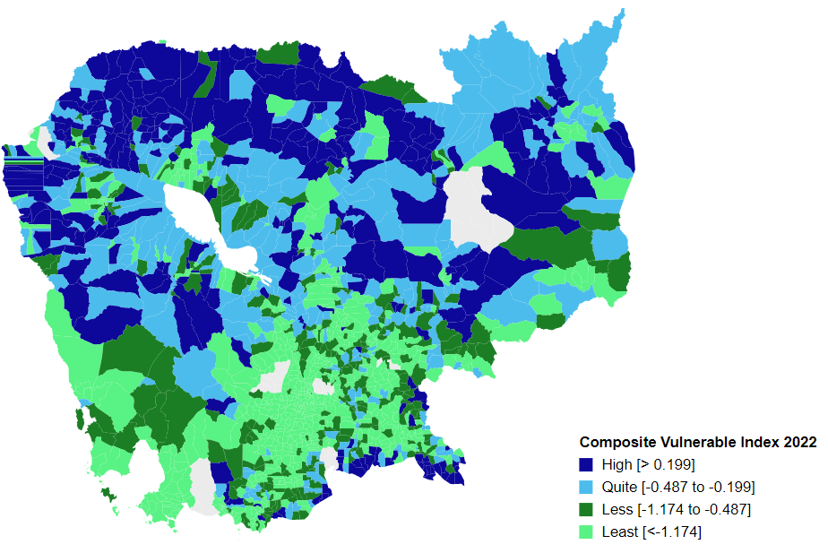
20408 | Battambang | Bavel | Boeung Pram | -0.16 | 69 | 0.12 | 304 | -0.43 | 109 | 0.25 | 267
20409 | Battambang | Bavel | Bouvel | -0.18 | 108 | 0.65 | 191 | -1.63 | 747 | 0.29 | 262
20501 | Battambang | Aek Phnum | Preaek Norint | -0.29 | 718 | -1.33 | 902 | -1.84 | 846 | -1.26 | 904
20502 | Battambang | Aek Phnum | Samraong Knong | -0.40 | 1421 | -1.59 | 1005 | -1.89 | 874 | -1.46 | 988
20503 | Battambang | Aek Phnum | Preaek Khpob | -0.25 | 393 | -0.61 | 621 | -0.70 | 210 | -0.50 | 603
20504 | Battambang | Aek Phnum | Preaek Luong | -0.19 | 139 | -0.96 | 769 | -1.40 | 609 | -1.00 | 808
20505 | Battambang | Aek Phnum | Peam Aek | -0.26 | 523 | 0.02 | 343 | -1.34 | 566 | -0.15 | 445
20506 | Battambang | Aek Phnum | Prey Chas | -0.03 | 7 | -0.05 | 364 | 0.04 | 40 | -0.09 | 420
20507 | Battambang | Aek Phnum | Kaoh Chiveang | -0.04 | 11 | -0.01 | 351 | 17.94 | 2 | -0.07 | 409
20601 | Battambang | Moung Ruessei | Moung | -0.22 | 228 | -0.13 | 413 | -1.35 | 575 | -0.22 | 484
20602 | Battambang | Moung Ruessei | Kear | -0.17 | 78 | -1.45 | 950 | -2.25 | 1042 | -1.35 | 938
20603 | Battambang | Moung Ruessei | Prey Svay | -0.18 | 101 | 0.10 | 308 | -1.12 | 457 | 0.19 | 288
20604 | Battambang | Moung Ruessei | Ruessei Krang | -0.17 | 72 | -0.02 | 357 | -0.83 | 296 | 0.04 | 345
20605 | Battambang | Moung Ruessei | Chrey | -0.18 | 91 | -0.13 | 414 | -0.71 | 214 | -0.01 | 368
20606 | Battambang | Moung Ruessei | Ta Loas | -0.25 | 427 | -0.33 | 502 | -0.85 | 307 | -0.27 | 501
20607 | Battambang | Moung Ruessei | Kakaoh | -0.14 | 41 | -0.16 | 435 | -0.87 | 319 | -0.14 | 437
20608 | Battambang | Moung Ruessei | Prey Touch | -0.21 | 187 | -0.02 | 358 | -1.37 | 587 | 0.07 | 330
20609 | Battambang | Moung Ruessei | Robas Mongkol | -0.22 | 240 | -0.09 | 398 | -0.79 | 267 | -0.07 | 413
20701 | Battambang | Rotonak Mondol | Sdau | -0.36 | 1291 | -0.16 | 428 | -1.60 | 729 | -0.07 | 411
20702 | Battambang | Rotonak Mondol | Andaeuk Haeb | -0.25 | 380 | 0.24 | 277 | -0.66 | 191 | 0.35 | 248
20703 | Battambang | Rotonak Mondol | Phlov Meas | -0.21 | 211 | -0.03 | 362 | -0.93 | 349 | 0.12 | 315
20704 | Battambang | Rotonak Mondol | Traeng | -0.25 | 425 | 1.60 | 99 | -0.79 | 262 | 1.48 | 103
20705 | Battambang | Rotonak Mondol | Reaksmei Songha | -0.25 | 445 | 1.78 | 90 | -0.81 | 284 | 1.87 | 77
20801 | Battambang | Sangkae | Anlong Vil | -0.22 | 234 | -1.01 | 790 | -1.27 | 540 | -0.87 | 764
20802 | Battambang | Sangkae | Norea | -0.32 | 981 | 0.43 | 224 | -2.25 | 1044 | -0.19 | 469
20803 | Battambang | Sangkae | Ta Pon | -0.13 | 32 | 2.80 | 53 | -1.42 | 625 | 1.98 | 68
20804 | Battambang | Sangkae | Roka | -0.21 | 186 | -0.09 | 395 | -0.71 | 217 | 0.03 | 350
20805 | Battambang | Sangkae | Kampong Preah | -0.27 | 550 | 0.06 | 326 | -0.53 | 136 | 0.19 | 287
20806 | Battambang | Sangkae | Kampong Preang | -0.18 | 113 | 0.64 | 192 | 0.79 | 34 | 0.79 | 171
20807 | Battambang | Sangkae | Reang Kesei | -0.13 | 39 | 1.64 | 98 | -0.29 | 82 | 1.29 | 123
20808 | Battambang | Sangkae | Ou Dambang Muoy | -0.23 | 293 | 0.77 | 175 | -0.62 | 178 | 0.32 | 258
20809 | Battambang | Sangkae | Ou Dambang Pir | -0.30 | 834 | -0.87 | 737 | -1.15 | 475 | -0.73 | 709
20810 | Battambang | Sangkae | Voat Ta Muem | -0.28 | 625 | 12.29 | 7 | -2.12 | 983 | 7.64 | 10
20901 | Battambang | Samlout | Ta Taok | -0.26 | 459 | -0.31 | 493 | -0.80 | 272 | -0.17 | 452
20902 | Battambang | Samlout | Kampong Lpov | -0.36 | 1277 | 0.95 | 162 | -2.10 | 973 | 1.08 | 144
20903 | Battambang | Samlout | Ou Samril | -0.25 | 383 | 2.24 | 61 | -1.61 | 734 | 1.75 | 81
20904 | Battambang | Samlout | Sung | -0.29 | 767 | -0.58 | 607 | -1.63 | 751 | -0.49 | 597
20905 | Battambang | Samlout | Samlout | -0.31 | 976 | -0.32 | 496 | -2.31 | 1075 | -0.70 | 690
20906 | Battambang | Samlout | Mean Chey | -0.29 | 713 | 1.16 | 140 | -0.91 | 341 | 1.26 | 127
20907 | Battambang | Samlout | Ta Sanh | -0.37 | 1336 | -0.41 | 544 | -2.56 | 1164 | -0.27 | 504
21001 | Battambang | Sampov Lun | Sampov Lun | -0.28 | 619 | 10.08 | 10 | -1.63 | 749 | 10.22 | 6
21002 | Battambang | Sampov Lun | Angkor Ban | -0.28 | 635 | 1.32 | 121 | -2.23 | 1037 | 1.47 | 104
21003 | Battambang | Sampov Lun | Ta Sda | -0.27 | 571 | -0.87 | 740 | -5.14 | 1573 | -0.75 | 715
21004 | Battambang | Sampov Lun | Santepheap | -0.35 | 1238 | -5.87 | 1609 | -7.38 | 1627 | -5.76 | 1609
21005 | Battambang | Sampov Lun | Serei Mean Chey | -0.22 | 236 | 1.80 | 89 | -1.50 | 671 | 1.87 | 76
21006 | Battambang | Sampov Lun | Chrey Seima | -0.28 | 673 | -0.22 | 455 | -3.06 | 1313 | -0.15 | 446
21101 | Battambang | Phnum Proek | Phnum Proek | -0.28 | 616 | 4.01 | 34 | -1.11 | 449 | 4.11 | 28
21102 | Battambang | Phnum Proek | Pech Chenda | -0.34 | 1163 | 1.60 | 100 | -2.46 | 1141 | 1.72 | 82
21103 | Battambang | Phnum Proek | Bour | -0.29 | 719 | 0.89 | 169 | -1.30 | 550 | 0.83 | 166
21104 | Battambang | Phnum Proek | Barang Thleak | -0.29 | 739 | 7.57 | 17 | -3.36 | 1392 | 5.85 | 19
21105 | Battambang | Phnum Proek | Ou Rumduol | -0.31 | 948 | 2.14 | 68 | -1.25 | 519 | 2.25 | 53
21201 | Battambang | Kamrieng | Kamrieng | -0.28 | 669 | 1.32 | 122 | -2.18 | 1014 | 1.45 | 107
21202 | Battambang | Kamrieng | Boeng Reang | -0.31 | 970 | -0.33 | 503 | -1.82 | 833 | -0.20 | 475
21203 | Battambang | Kamrieng | Ou Da | -0.31 | 958 | 0.03 | 340 | -1.67 | 767 | 0.19 | 285
21204 | Battambang | Kamrieng | Trang | -0.29 | 793 | -2.17 | 1216 | -4.61 | 1537 | -2.04 | 1203
21205 | Battambang | Kamrieng | Ta Saen | -0.38 | 1362 | 1.68 | 96 | -2.01 | 936 | 1.81 | 78
21206 | Battambang | Kamrieng | Ta Krei | -0.28 | 608 | 0.89 | 168 | -1.63 | 746 | 1.02 | 149
21301 | Battambang | Koas Krala | Thipakdei | -0.15 | 54 | 7.62 | 16 | -0.71 | 218 | 7.26 | 13
21302 | Battambang | Koas Krala | Kaos Krala | -0.21 | 202 | -1.70 | 1065 | -2.71 | 1208 | -1.65 | 1076
21303 | Battambang | Koas Krala | Hab | -0.15 | 52 | -0.08 | 391 | -0.33 | 88 | 0.05 | 340
21304 | Battambang | Koas Krala | Preah Phos | -0.18 | 112 | 0.43 | 223 | -0.37 | 95 | 0.58 | 198
21305 | Battambang | Koas Krala | Doun Ba | -0.22 | 243 | -0.19 | 449 | -0.60 | 172 | -0.13 | 434
21306 | Battambang | Koas Krala | Chhnal Moan | -0.27 | 527 | 0.11 | 305 | -1.31 | 556 | 0.11 | 319
21401 | Battambang | Rukh Kiri | Preaek Chik | -0.21 | 217 | -0.05 | 368 | -0.93 | 351 | -0.02 | 383
21402 | Battambang | Rukh Kiri | Prey Tralach | -0.19 | 119 | 0.01 | 345 | 8.29 | 8 | 0.09 | 324
21403 | Battambang | Rukh Kiri | Mukh Reah | -0.16 | 60 | -0.07 | 376 | -0.55 | 145 | 0.04 | 349
21404 | Battambang | Rukh Kiri | Sdok Pravoek | -0.21 | 208 | -0.78 | 691 | -1.91 | 892 | -0.77 | 724
21405 | Battambang | Rukh Kiri | Basak | -0.22 | 271 | -0.08 | 386 | -1.08 | 430 | 0.04 | 342
30101 | Kampong Cham | Batheay | Batheay | -0.29 | 754 | -0.88 | 741 | -1.49 | 668 | -0.77 | 723
30102 | Kampong Cham | Batheay | Chbar Ampov | -0.30 | 816 | -0.74 | 672 | -1.41 | 616 | -0.64 | 663
30103 | Kampong Cham | Batheay | Chealea | -0.12 | 27 | -2.05 | 1185 | -2.70 | 1206 | -1.94 | 1175
30104 | Kampong Cham | Batheay | Cheung Prey | -0.30 | 820 | -2.34 | 1264 | -3.00 | 1296 | -2.25 | 1255
30105 | Kampong Cham | Batheay | Me Pring | -0.21 | 201 | -0.13 | 411 | -0.76 | 245 | 0.00 | 362
30106 | Kampong Cham | Batheay | Ph'av | -0.43 | 1465 | -4.23 | 1539 | -4.72 | 1543 | -4.09 | 1535
30107 | Kampong Cham | Batheay | Sambour | -0.30 | 886 | -1.17 | 849 | -1.78 | 820 | -1.03 | 826
30108 | Kampong Cham | Batheay | Sandaek | -0.32 | 1035 | -0.42 | 547 | -0.76 | 248 | -0.29 | 510
30109 | Kampong Cham | Batheay | Tang Krang | -0.33 | 1105 | -1.74 | 1084 | -2.23 | 1038 | -1.60 | 1056
30110 | Kampong Cham | Batheay | Tang Krasang | -0.23 | 300 | -0.84 | 719 | -1.39 | 603 | -0.69 | 682
30111 | Kampong Cham | Batheay | Trab | -0.24 | 325 | 0.09 | 314 | -1.63 | 748 | -0.12 | 431
30112 | Kampong Cham | Batheay | Tumnob | -0.36 | 1250 | -1.72 | 1076 | -2.03 | 949 | -1.57 | 1040
30201 | Kampong Cham | Chamkar Leu | Bos Khnor | -0.35 | 1231 | -1.64 | 1033 | -2.15 | 996 | -1.51 | 1013
30202 | Kampong Cham | Chamkar Leu | Chamkar Andoung | -0.28 | 674 | -0.34 | 506 | -1.27 | 536 | -0.24 | 490
30203 | Kampong Cham | Chamkar Leu | Cheyyou | -0.35 | 1239 | -2.02 | 1175 | -2.49 | 1149 | -1.91 | 1165
30204 | Kampong Cham | Chamkar Leu | Lvea Leu | -0.36 | 1272 | -1.51 | 967 | -2.44 | 1135 | -1.40 | 960
30205 | Kampong Cham | Chamkar Leu | Spueu | -0.35 | 1213 | -1.70 | 1064 | -2.17 | 1006 | -1.58 | 1044
30206 | Kampong Cham | Chamkar Leu | Svay Teab | -0.30 | 819 | -0.96 | 770 | -2.88 | 1268 | -1.23 | 893
30207 | Kampong Cham | Chamkar Leu | Ta Ong | -0.29 | 808 | -1.51 | 964 | -2.27 | 1055 | -1.39 | 952
30208 | Kampong Cham | Chamkar Leu | Ta Prok | -0.35 | 1197 | -0.79 | 695 | -1.70 | 777 | -0.67 | 675
30301 | Kampong Cham | Cheung Prey | Khnor Dambang | -0.35 | 1214 | -1.60 | 1010 | -2.41 | 1126 | -1.53 | 1021
30302 | Kampong Cham | Cheung Prey | Kouk Rovieng | -0.22 | 257 | -0.80 | 705 | -1.34 | 564 | -0.68 | 680
30303 | Kampong Cham | Cheung Prey | Pdau Chum | -0.30 | 889 | -0.46 | 563 | -1.07 | 421 | -0.32 | 532
30304 | Kampong Cham | Cheung Prey | Prey Char | -0.28 | 703 | -2.23 | 1237 | -2.57 | 1167 | -2.09 | 1211
30305 | Kampong Cham | Cheung Prey | Pring Chrum | -0.20 | 175 | -0.17 | 438 | -0.97 | 367 | -0.03 | 388
30306 | Kampong Cham | Cheung Prey | Sampong Chey | -0.26 | 516 | -1.83 | 1105 | -2.36 | 1107 | -1.79 | 1124
30307 | Kampong Cham | Cheung Prey | Sdaeung Chey | -0.29 | 724 | -1.08 | 817 | -1.66 | 764 | -0.95 | 789
30308 | Kampong Cham | Cheung Prey | Soutib | -0.35 | 1229 | -3.49 | 1470 | -3.94 | 1475 | -3.37 | 1468
30309 | Kampong Cham | Cheung Prey | Sramar | -0.28 | 621 | -2.99 | 1394 | -2.31 | 1071 | -2.86 | 1389
30310 | Kampong Cham | Cheung Prey | Trapeang Kor | -0.29 | 792 | -1.87 | 1119 | -2.28 | 1059 | -1.72 | 1095
30501 | Kampong Cham | Kampong Cham | Boeng Kok | -0.43 | 1475 | -3.79 | 1502 | -3.76 | 1455 | -3.66 | 1503
30502 | Kampong Cham | Kampong Cham | Kampong Cham | -0.52 | 1559 | -1.61 | 1019 | -1.60 | 727 | -1.46 | 986
30503 | Kampong Cham | Kampong Cham | Sambuor Meas | -0.41 | 1438 | -4.72 | 1565 | -4.83 | 1553 | -4.57 | 1561
30504 | Kampong Cham | Kampong Cham | Veal Vong | -0.48 | 1524 | -2.14 | 1208 | -2.14 | 991 | -1.99 | 1188
...

